Sheet1
Property title | Internal name | No. of people in property | Property description | Property type | No. of units in this property | Standard clean price | Price per month | property active (1=active & 2=deactive) | Property latitude | Property longitude | Address 1 | Address 2 (no data then leave empty) | City | County | Postcode | No. of bedrooms | Bedroom 1 | Bedroom1 - bed quantity | Bedroom 2 | Bedroom2 - bed quantity | Bedroom 3 | Bedroom3 - bed quantity | Bedroom4 | Bedroom4 - bed quantity | Bedroom5 | Bedroom5 - bed quantity | Bedroom6 | Bedroom6 - bed quantity | Bedroom7 | Bedroom7 - bed quantity | Bedroom8 | Bedroom8 - bed quantity | Bedroom9 | Bedroom9 - bed quantity | Bedroom10 | Bedroom10 - bed quantity | Sleeping facility in living area (0=no & 1=yes) | Sofa bed (no data then leave empty) | Futon (no data then leave empty) | No. of bathrooms | Bathroom 1 | Bathroom 2 | Bathroom 3 | Bathroom 4 | Bathroom 5 | Bathroom 6 | Bathroom 7 | Bathroom 8 | Bathroom 9 | Bathroom 10 | Wifi | Parking | Parking summary (no data then leave empty) | Parking details (no data then leave empty) | Garden | Smoking | General amenities | Entertainment amenities | Bedroom amenities | Bathroom amenities | Safety amenities | Access amenities | Kitchen amenities | Featured image (single iamge) | Gallery images (multiple image)
Centralofts (Crown Apartments) - 113 (1st floor) | Centralofts (Crown Apartments) - 113 (1st floor) | 4 | This 2 bedroom, 2 bathroom property enjoys a prime location just a short stroll from Newcastle Central Station and the City's top attractions and amenities. The property has a sense of spaciousness, featuring high ceilings and a bright, airy atmosphere. Its open-plan layout seamlessly combines the living, dining, and kitchen areas, offering an ideal space for entertaining guests or unwinding in comfort. The space The property is perfectly located within Newcastle City Centre, close to shops, restaurants, China Town, Newcastle College/Universities and only 5 minutes’ walk to the Central Station and St James’ Stadium. The space is ideally situated for professionals working in the city, or those seeking a city break. The property has secure entry with lift access, and offers parking on site (subject to availability). The property offers essential modern-day appliances and washing facilities providing you with everything you will need to help make your stay as comfortable and enjoyable as possible. Guest access Our guests have the whole apartment within a well maintained residential building in the heart of Newcastle. | Apartment / whole house | 1 | 100 | 2000 | 2 | 54.9693416 | 1.62097 | 22 Waterloo Street Newcastle, NE1 4AL |  | Newcastle upon Tyne | Tyne and Wear (Ceremonial County) | NE1 4AL | 2 | Double | 1 | King | 1 |  |  |  |  |  |  |  |  |  |  |  |  |  |  |  |  | 1 | 2 |  | 2 | Ensuite | Ensuite |  |  |  |  |  |  |  |  | Broadband | Private parking | Free parking on premise |  | Balcony | No smoking | Whole property, Heating, Hot water, Iron, Laptop friendly workspace | Tv, Free wifi | Bed linen, Clothes hangers, Hair dryer | Bath, Toilet, Towels, Shower | Fire extinguisher, Smoke detector, Carbon monoxide detector | Private parking | Kitchen, Fridge, Microwave, Dishwasher, Coffee maker, Dining, Washing machine, Oven, Stove, Tumble dryer | 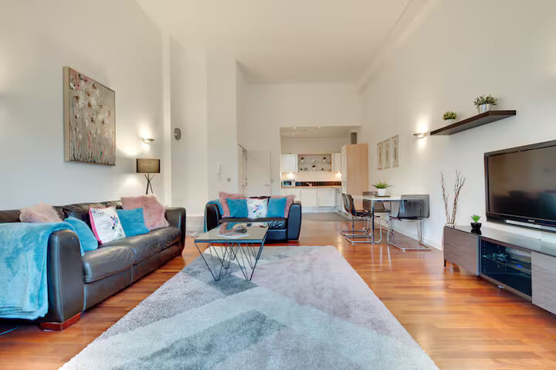 | 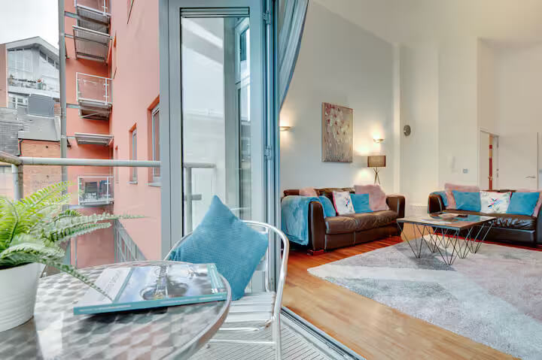
Centralofts (Crown Apartments) - 309 (3rd floor) | Centralofts (Crown Apartments) - 309 (3rd floor) | 4 | This 2 bedroom, 2 bathroom property is perfectly located within a short walk of Newcastle Central Station and the City's key attractions and amenities. The property boasts spacious interiors, high ceilings, and a bright, airy ambiance throughout. Its open-plan design seamlessly blends the living, dining, and kitchen areas, creating an ideal space for hosting guests or unwinding in comfort. The space The property is perfectly located within Newcastle City Centre, close to shops, restaurants, China Town, Newcastle College/Universities and only 5 minutes’ walk to the Central Station and St James’ Stadium. The space is ideally situated for professionals working in the city, or those seeking a city break. The property has secure entry with lift access, and offers parking on site (subject to availability). The property offers essential modern-day appliances and washing facilities providing you with everything you will need to help make your stay as comfortable and enjoyable as possible. Guest access Our guests have the whole apartment within a well maintained residential building in the heart of Newcastle. | Apartment / whole house | 1 | 100 | 2000 | 2 | 54.9693416 | 1.62097 | 23 Waterloo Street Newcastle, NE1 4AL |  | Newcastle upon Tyne | Tyne and Wear (Ceremonial County) | NE1 4AL | 2 | King | 1 | Double | 1 |  |  |  |  |  |  |  |  |  |  |  |  |  |  |  |  | 1 | 2 |  | 2 | Ensuite | Ensuite |  |  |  |  |  |  |  |  | Broadband | Private parking | Free parking on premises – 1 space, Paid street parking off premises |  | Balcony | No smoking | Whole property, Heating, Hot water, Iron, Laptop friendly workspace | Tv, Free wifi | Bed linen, Clothes hangers, Hair dryer | Bath, Toilet, Towels, Shower, Toilet papers | Fire extinguisher, Smoke detector, Carbon monoxide detector | Private parking | Kitchen, Fridge, Microwave, Dishwasher, Coffee maker, Dining, Washing machine, Oven, Stove, Tumble dryer | 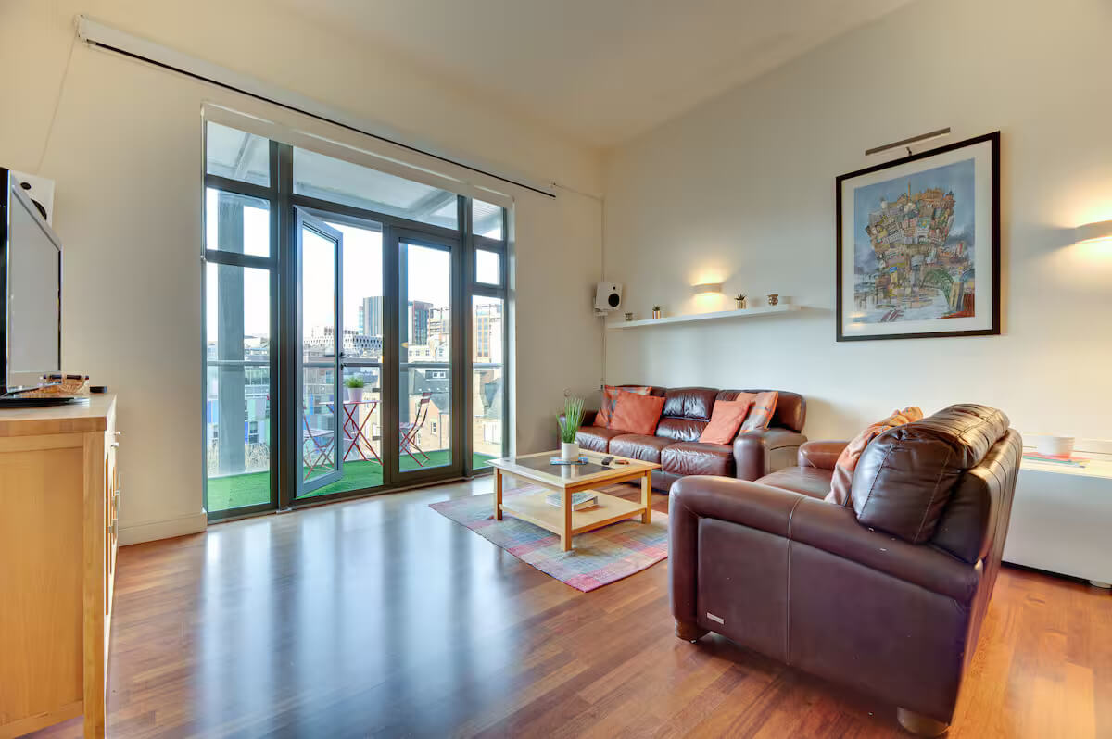 | 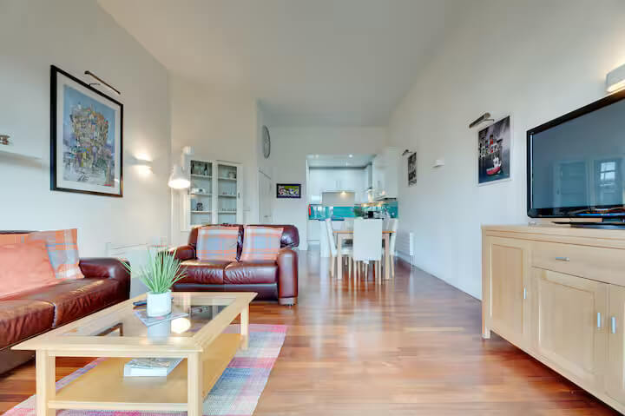
Centralofts (Crown Apartments) - 120 (1st floor) | Centralofts (Crown Apartments) - 120 (1st floor) | 2 | Welcome to Crown Apartments! This charming studio apartment is perfectly located in the heart of Newcastle city centre. The cosy living space is enhanced by large windows that bathe the apartment in natural light, complemented by stylish décor and a separate kitchen. It offers a true home-from-home experience, ideal for unwinding after a busy day at work or exploring the city's attractions. This apartment is the ideal choice for anyone seeking both comfort and convenience. The space The central location offers easy access to Newcastle's best shops, restaurants, and transport links, with Newcastle Central Train Station just a 5-minute walk away and the main centre of town right at your doorstep. This delightful studio is perfect for anyone seeking comfort and convenience in Newcastle. This comfortable studio apartment is just minutes away from China Town and St James’s Stadium, placing you right in the heart of the action. Furnished to a high specification with modern appliances, this contemporary space is perfect for your stay in Newcastle. Key Highlights: - Prime Location: Right in Newcastle’s city centre, close to top attractions and amenities. - Comfortable Living Space: Lounge, dining areas, and fully equipped kitchen for a true home-like feel. - Modern Amenities: Bathroom with overhead shower, stylish furnishings, and optional balcony with city views in select apartments. Distances: - Newcastle Airport: 7.4 miles (approximately 15 minutes by car) - Newcastle Central Station: Within walking distance - Easy access to all amenities and major trunk roads With a central location, you’ll enjoy easy access to Newcastle’s best shops, restaurants, and transport links, including Newcastle Central Train Station, just a 5-minute walk away, and the main centre of town right on your doorstep. Guest access Our guests have the whole apartment within a well maintained residential building in the heart of Newcastle. | Apartment / whole house | 1 | 100 | 2000 | 2 | 54.9693416 | 1.62097 | 24 Waterloo Street Newcastle, NE1 4AL |  | Newcastle upon Tyne | Tyne and Wear (Ceremonial County) | NE1 4AL | 1 | Double | 1 |  |  |  |  |  |  |  |  |  |  |  |  |  |  |  |  |  |  | 1 | 1 |  | 1 | Main bathroom |  |  |  |  |  |  |  |  |  | Broadband | Private parking | Free multistorey car park on premises – 1 space, Paid parking off premises |  | No garden | No smoking | Whole property, Heating, Hot water, Iron, Laptop friendly workspace | Tv, Free wifi | Bed linen, Clothes hangers, Hair dryer | Toilet, Towels, Shower, Bath | Fire extinguisher, Smoke detector, Carbon monoxide detector | Private parking | Kitchen, Fridge, Microwave, Dishwasher, Coffee maker, Dining, Washing machine, Oven, Stove, Tumble dryer | 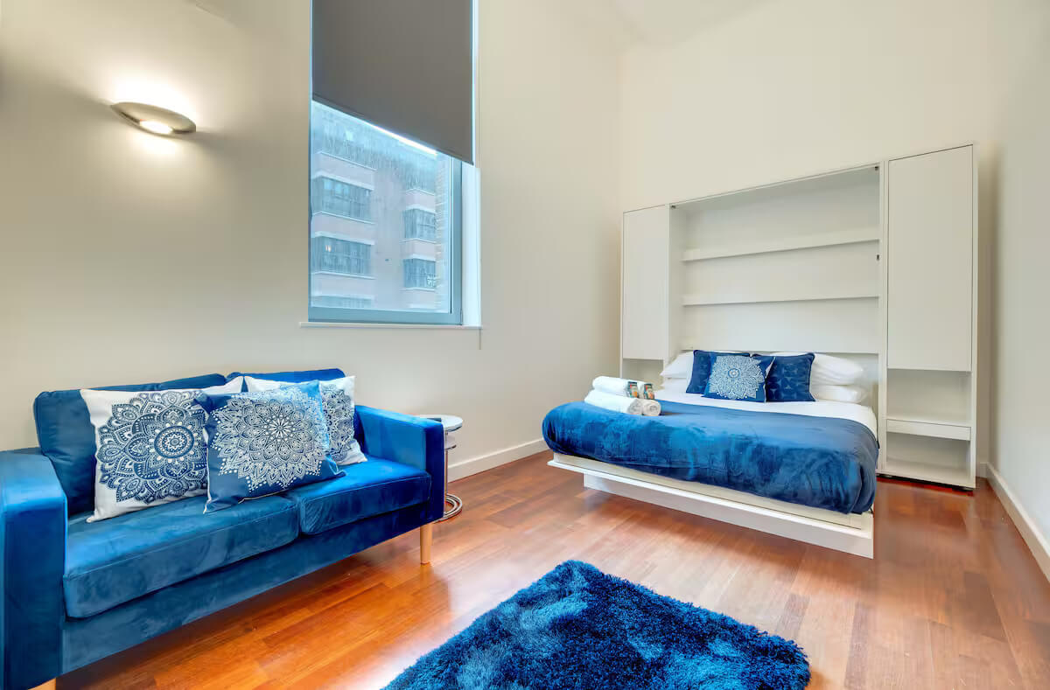 | 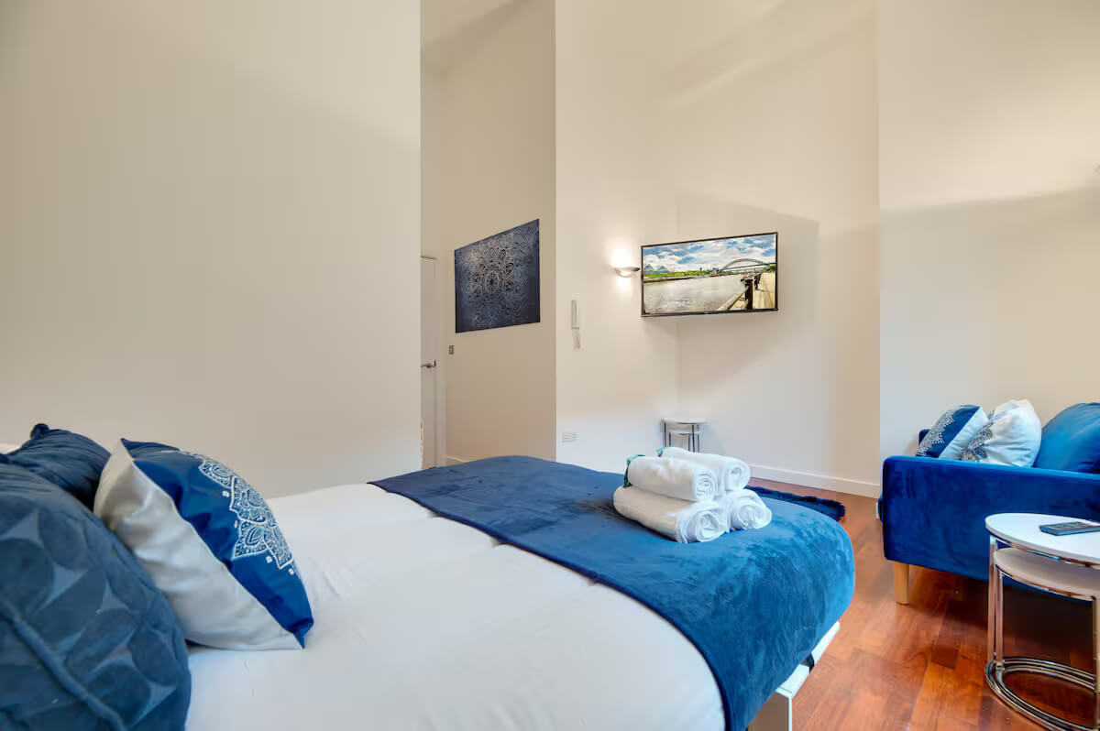
Centralofts (Crown Apartments) - 407 (4th floor) | Centralofts (Crown Apartments) - 407 (4th floor) | 2 | This 1-bed 1-bath property is attractively situated just a short walk from Newcastle Central Station and the City's main attractions and amenities. This property is bright and airy with high ceilings and large windows. The open-plan layout integrates the living, dining, and kitchen areas, providing a perfect space for entertaining guests or simply relaxing. | Apartment / whole house | 1 | 100 | 2000 | 2 | 54.9693416 | 1.62097 | 25 Waterloo Street Newcastle, NE1 4AL |  | Newcastle upon Tyne | Tyne and Wear (Ceremonial County) | NE1 4AL | 1 | Double | 1 |  |  |  |  |  |  |  |  |  |  |  |  |  |  |  |  |  |  | 1 | 1 |  | 1 | Ensuite |  |  |  |  |  |  |  |  |  | Broadband | Private parking | Free parking on premises, Paid parking off premises |  | Balcony | No smoking | Whole property, Heating, Hot water, Iron, Laptop friendly workspace | Tv, Free wifi | Bed linen, Clothes hangers, Hair dryer | Toilet, Towels, Shower, Bath, Toilet papers | Fire extinguisher, Smoke detector | Private parking | Kitchen, Fridge, Microwave, Dishwasher, Coffee maker, Dining, Washing machine, Oven, Tumble dryer | 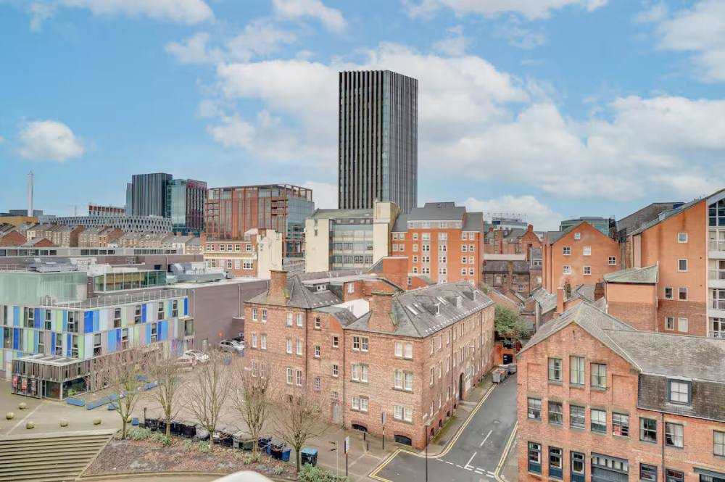 | 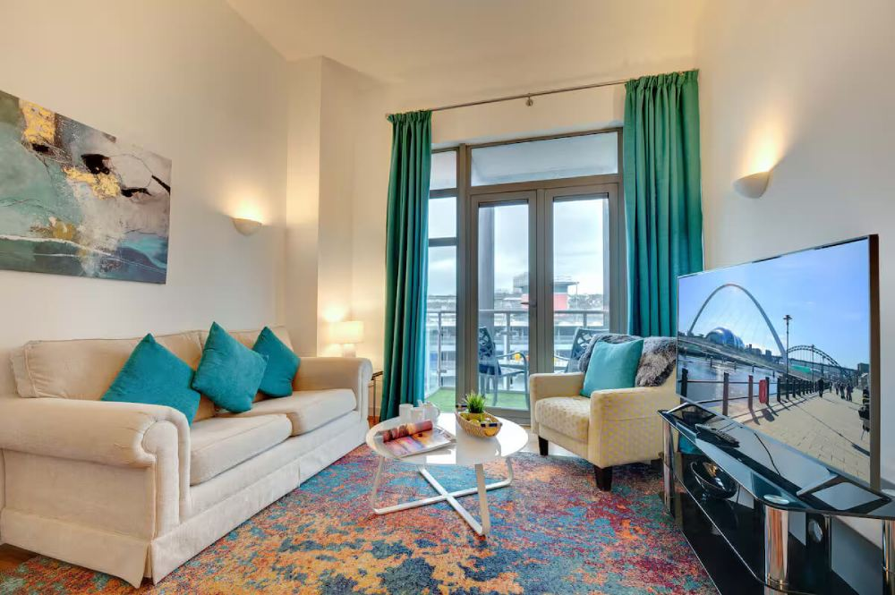
Charltons Bonds - 3 (1st floor) | Charltons Bonds - 3 (1st floor) | 2 | Welcome to Charltons Bonds! This inviting two-bedroom apartment is perfectly located in the heart of Newcastle city centre, featuring a spacious living area with a cosy décor. Thoughtfully designed to offer a true home-from-home experience, it’s the perfect space to relax after a day of work or exploring the city's attractions. Charltons Bonds is the ideal choice for those seeking both comfort and convenience in Newcastle! The space The nearby Tyne Tunnel provides quick connections to the A19, making it easy to reach Sunderland and Durham, as well as St James' Football Stadium. For a taste of nature, take a relaxing stroll through Exhibition Park. The apartment boasts an open-plan living area with large windows that fill the space with natural light, a fully furnished kitchen, two cozy bedrooms, a main bathroom, and an en-suite. Designed with comfort and style in mind, this apartment offers a true home away from home, perfect for unwinding after a busy day of work or exploring the city’s sights. Key Highlights: Central Location: Steps away from shops, restaurants, and transport links, with Newcastle Central Station just a 5-minute walk away. Comfortable Living: Spacious and stylish with all the amenities you need for a relaxing stay. Distances: Newcastle Airport: 7.4 miles (approx. 15 minutes by car) Newcastle Central Station: Within walking distance Guest access Our guests have the whole apartment within a well maintained residential building in the heart of Newcastle. | Apartment / whole house | 1 | 100 | 2000 | 2 | 54.9691476 | 1.62093 | Waterloo Street Newcastle, NE1 4DE |  | Newcastle upon Tyne | Tyne and Wear | NE1 4DE | 1 | King | 1 |  |  |  |  |  |  |  |  |  |  |  |  |  |  |  |  |  |  | 1 | 1 |  | 1 | Ensuite |  |  |  |  |  |  |  |  |  | Broadband | Private parking | Free parking on premises, Paid multistorey car park off premises |  | No garden | No smoking | Whole property, Hot water, Iron, Laptop friendly workspace | Tv, Free wifi | Bed linen, Clothes hangers, Hair dryer | Toilet, Towels, Shower, Bath, Toilet papers | Fire extinguisher, Smoke detector, Carbon monoxide detector | Private parking | Kitchen, Fridge, Microwave, Coffee maker, Dining, Washing machine, Oven, Stove | 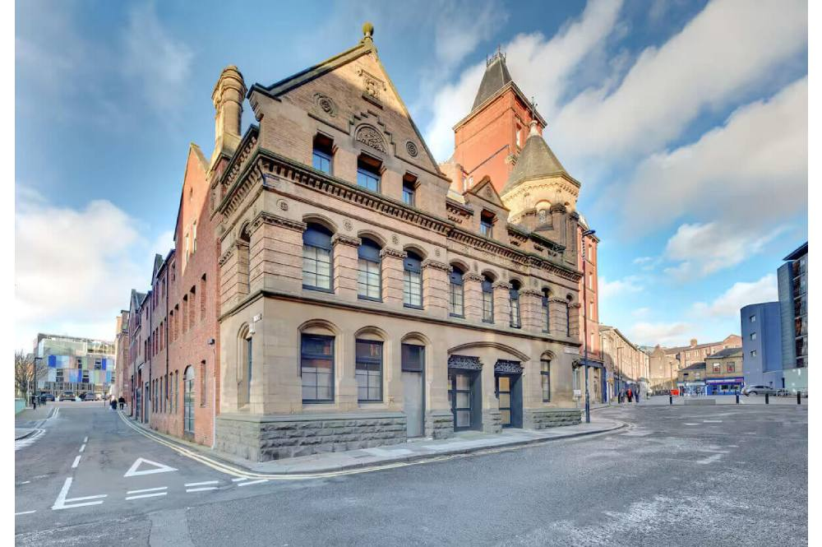 | 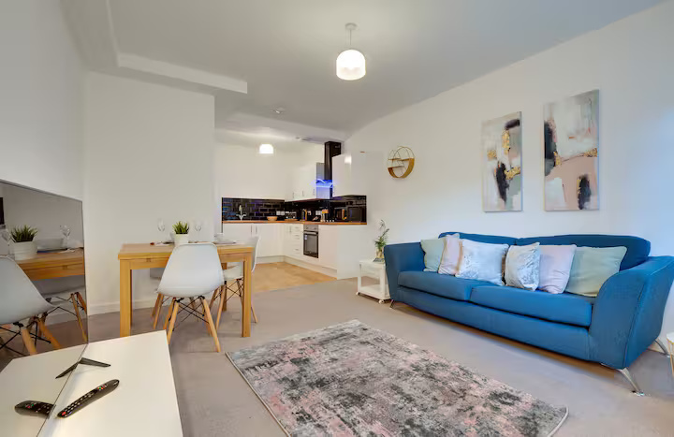
Charltons Bonds - 18 (2nd floor) | Charltons Bonds - 18 (2nd floor) | 4 | Welcome to Charltons Bonds! This lovely two bedroom duplex apartment is ideally located in the heart of Newcastle city centre, just a short walk from Newcastle’s central train station, Intu Eldon Square, and the iconic Grey Street with its stunning architecture and home to the impressive Theatre Royal. With fantastic access to buses and the Metro, exploring both the city and the stunning North East coastline are just minutes away, enjoy the best of both worlds! The space With its central location, the apartment offers easy access to the best shops, restaurants, and transport links, with Newcastle Central Train Station just a 5-minute walk away and the main centre of town right at your doorstep. Key Highlights: Central Location: Steps away from shops, restaurants, and transport links, with Newcastle Central Station just a 5-minute walk away. Comfortable Living: Spacious and stylish with all the amenities you need for a relaxing stay. Distances: Newcastle Airport: 7.4 miles (approx. 15 minutes by car) Newcastle Central Station: Within walking distance Guest access The whole apartment | Apartment / whole house | 1 | 100 | 2000 | 2 | 54.9691476 | 1.62093 | Waterloo Street Newcastle, NE1 4DE |  | Newcastle upon Tyne | Tyne and Wear | NE1 4DE | 2 | Double | 1 | Double | 1 |  |  |  |  |  |  |  |  |  |  |  |  |  |  |  |  | 1 | 1 |  | 2 | Main bathroom | Toilet only |  |  |  |  |  |  |  |  | Broadband | Private parking | Free parking on premises, Paid multistorey car park off premises |  | No garden | No smoking | Whole property, Hot water, Iron, Laptop friendly workspace, Heating | Tv, Free wifi | Bed linen, Clothes hangers, Hair dryer | Toilet, Towels, Shower, Bath, Toilet papers | Fire extinguisher, Smoke detector | Private parking | Kitchen, Fridge, Microwave, Coffee maker, Dining, Washing machine, Oven, Stove | 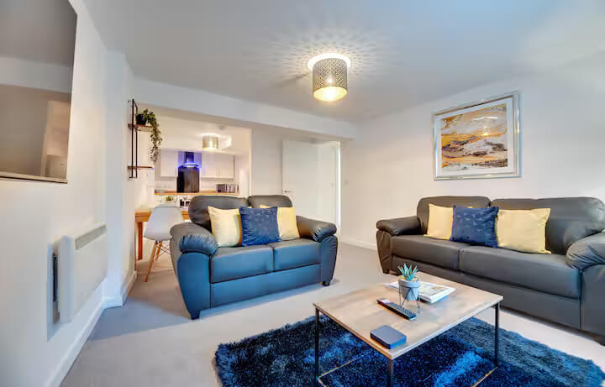 | 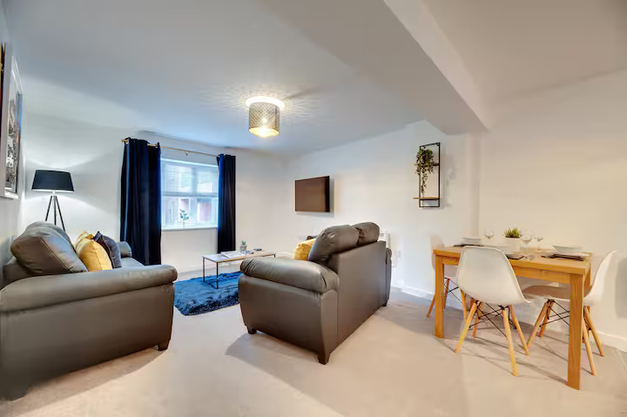
Charltons Bonds - 14 (2nd floor) | Charltons Bonds - 14 (2nd floor) | 4 | Welcome to Charltons Bonds! This inviting two-bedroom duplex apartment is perfectly situated in the heart of Newcastle city centre. Spread across two levels, the apartment boasts spacious interiors with modern décor, offering a true home-from-home experience where guests can relax after a busy day of work or exploring the city. Charltons Bonds is the perfect choice for anyone looking for both comfort and convenience in Newcastle! The space Situated just a stone’s throw from Newcastle’s central train station, Eldon Square shopping centre, and the famous Grey Street, home to the Theatre Royal, you’ll have easy access to the city’s best shops, restaurants, and attractions. The central location also allows for convenient transport links, with buses and the Metro nearby, making it simple to explore the beautiful coastlines of Tynemouth and North Shields. For those traveling by car, the Tyne Tunnel offers quick access to the A19, leading to destinations such as Sunderland, Durham, and St James’ Football Stadium. If you’re looking to connect with nature, a lovely walk through Exhibition Park is just around the corner. The apartment boasts an open-plan living area, a fully furnished kitchen, two cozy bedrooms, a main bathroom, and an en-suite, making it the perfect choice for achieving that ideal work-life balance. Key Highlights: - Central Location: Steps away from shops, restaurants, and transport links, with Newcastle Central Station just a 5-minute walk away. - Comfortable Living: Spacious and stylish with all the amenities you need for a relaxing stay. Distances: - Newcastle Airport: 7.4 miles (approx. 15 minutes by car) - Newcastle Central Station: Within walking distance Guest access Our guests have the whole apartment within a well maintained residential building in the heart of Newcastle. | Apartment / whole house | 1 | 100 | 2000 | 2 | 54.9691476 | 1.62093 | Waterloo Street Newcastle, NE1 4DE |  | Newcastle upon Tyne | Tyne and Wear | NE1 4DE | 2 | King | 1 | Double | 1 |  |  |  |  |  |  |  |  |  |  |  |  |  |  |  |  | 1 | 1 |  | 2 | Ensuite | Ensuite |  |  |  |  |  |  |  |  | Broadband | Private parking | Free parking on premises, Paid parking off premises |  | No garden | No smoking | Whole property, Hot water, Iron, Laptop friendly workspace, Heating | Tv, Free wifi | Bed linen, Clothes hangers, Hair dryer | Toilet, Towels, Shower, Bath, Toilet papers | Fire extinguisher, Smoke detector, Carbon monoxide detector | Private parking | Kitchen, Fridge, Microwave, Coffee maker, Dining, Washing machine, Oven, Stove | 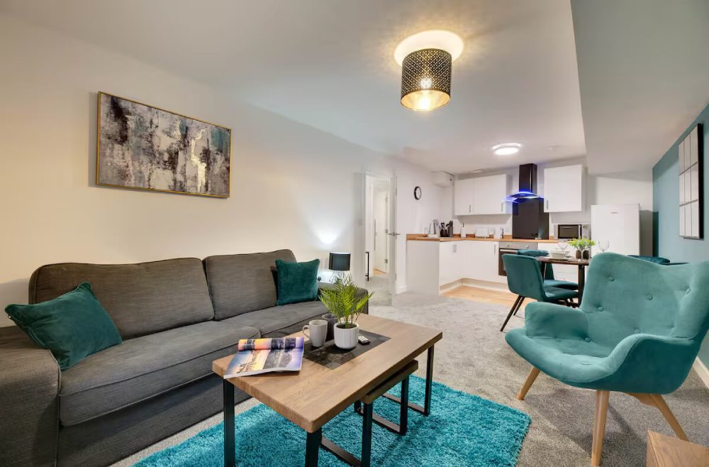 | 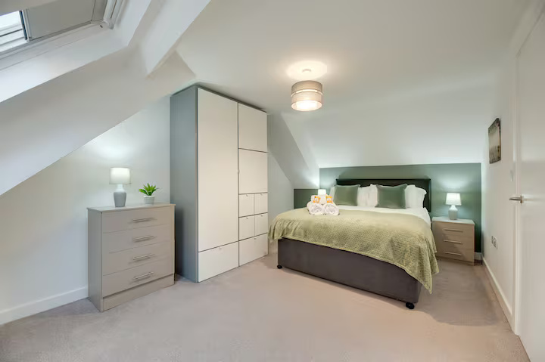
Charltons Bonds - 6 (1st floor) | Charltons Bonds - 6 (1st floor) | 2 | Welcome to Charltons Bonds! This one-bedroom apartment is perfectly located in the heart of Newcastle city centre, featuring a spacious living area with comfortable and modern décor. Thoughtfully designed to provide a true home-from-home experience, it’s an ideal space to relax after a busy day at work or exploring the city’s attractions. Charltons Bonds is the perfect choice for anyone looking for both comfort and convenience in the centre of Newcastle! The space With its central location, you'll have easy access to the best shops, restaurants, and transport links, with Newcastle Central Train Station just a 5-minute walk away and the main centre of town right at your doorstep. Charltons Bonds is the perfect choice for anyone seeking comfort and convenience in Newcastle. Key Highlights: - Central Location: Steps away from shops, restaurants, and transport links, with Newcastle Central Station just a 5-minute walk away. - Comfortable Living: Spacious and stylish with all the amenities you need for a relaxing stay. Distances: - Newcastle Airport: 7.4 miles (approx. 15 minutes by car) Newcastle Central Station: Within walking distance Guest access Our guests have the whole apartment within a well maintained residential building in the heart of Newcastle. | Apartment / whole house | 1 | 100 | 2000 | 2 | 54.9691476 | 1.62093 | Waterloo Street Newcastle, NE1 4DE |  | Newcastle upon Tyne | Tyne and Wear | NE1 4DE | 1 | King |  |  |  |  |  |  |  |  |  |  |  |  |  |  |  |  |  |  |  | 1 | 1 |  | 1 | Ensuite |  |  |  |  |  |  |  |  |  | Broadband | Private parking | Free multistorey car park on premises – 1 space, Paid street parking off premises |  | No garden | No smoking | Whole property, Hot water, Iron, Laptop friendly workspace, Heating | Tv, Free wifi | Bed linen, Clothes hangers, Hair dryer | Toilet, Towels, Shower, Bath, Toilet papers | Fire extinguisher, Smoke detector, Carbon monoxide detector | Private parking | Kitchen, Fridge, Microwave, Coffee maker, Dining, Washing machine, Oven, Stove, Tumble dryer | 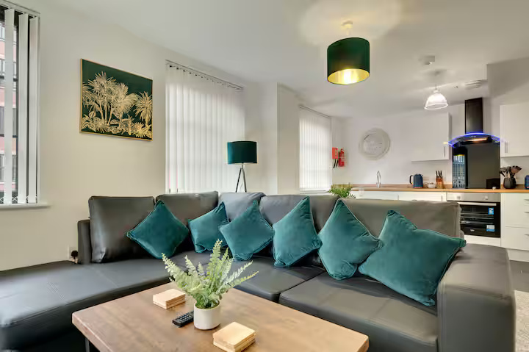 | 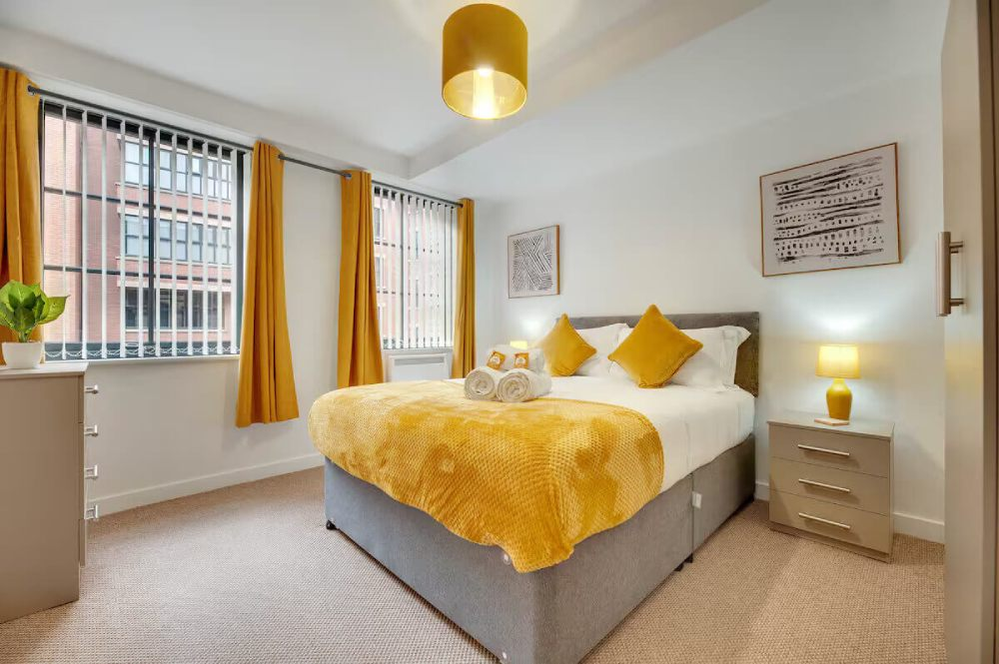
Rehearsal Rooms (Hudsons Haven) - 5 (2nd floor) | Rehearsal Rooms (Hudsons Haven) - 5 (2nd floor) | 6 | Spacious Accommodation: Hudson's Haven Apartments in Newcastle offers spacious family rooms with three bedrooms and one bathroom. Free WiFi is available throughout the property. Modern Amenities: Each apartment includes a fully equipped kitchen with a refrigerator, microwave, dishwasher, oven, and toaster. Additional amenities feature a washing machine, dining area, work desk, and TV. Convenient Location: Located in the city centre, the apartment is a 7-minute walk from Newcastle Train Station and less than 1 km from Utilita Arena and Theatre Royal. Newcastle International Airport is 11 km away. | Apartment / whole house | 1 | 100 | 2000 | 2 | 54.9731607 | 1.61787 | The Rehearsal Rooms 115-119 Westgate Road NE1 4BD |  | Newcastle upon Tyne | Tyne and Wear (located in the North East region of England) | NE1 4BD | 3 | Double | 1 | Double | 1 | Double | 1 |  |  |  |  |  |  |  |  |  |  |  |  |  |  | 1 | 1 |  | 3 | Ensuite | Ensuite | Ensuite |  |  |  |  |  |  |  | Broadband | Private parking | Parking may be available with one free secure underground space (subject to availability), while additional guest and visitor parking is nearby (charges apply as per signage). Free private parking available on-site |  | No garden | No smoking | Whole property, Hot water, Iron, Heating | Tv, Free wifi | Clothes hangers, Hair dryer, Bed linen | Toilet, Towels, Shower, Bath, Toilet papers | Smoke detector | Private parking | Kitchen, Fridge, Microwave, Dining, Washing machine, Oven, Dishwasher | 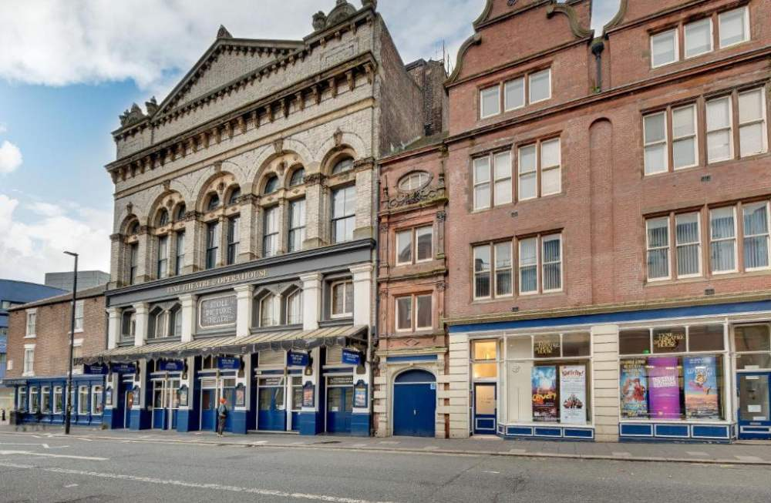 | 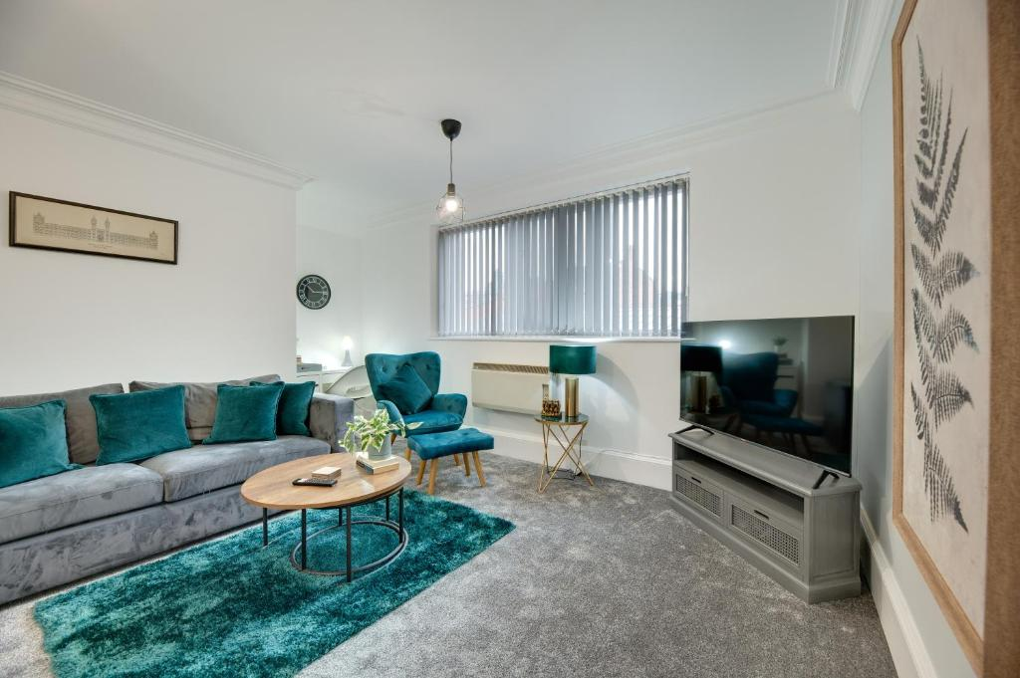
Dean Street (Grey Apartments) - 17C (3rd floor) | Dean Street (Grey Apartments) - 17C (3rd floor) | 4 | Located in the heart of Newcastle's City Centre, this 2 bedroom, 1 bathroom apartment is within easy walking distance of all popular attractions like the Quayside, Millennium Bridge, and the historic Newcastle Castle. Its central location, close to Grey Street, offers easy access to the Theatre Royal, as well as a variety of restaurants, cafes and shops. Perfect for both business and leisure stays, this apartment provides a convenient base for exploring all the city has to offer. The space Nestled in the heart of Newcastle, this modern and spacious property is perfectly located in the city centre. Situated on the 3rd floor of a charming historic building, it offers the ideal mix of convenience and comfort. The apartment features two well-sized bedrooms and a stylish bathroom, along with a fully equipped kitchen. The relaxing lounge area provides ample space to unwind or work, making it a perfect base for both business and leisure stays. Enjoy the best of Newcastle with easy access to local attractions, restaurants, and transport links. Guest access Our guests have access to the whole apartment. | Apartment / whole house | 1 | 100 | 2000 | 2 | 54.9705288 | 1.61022 | 17 Dean Street, NE1 1PQ |  | Newcastle upon Tyne | Tyne and Wear (historically Northumberland) | NE1 1PQ | 2 | Double | 1 | King | 1 | Double |  |  |  |  |  |  |  |  |  |  |  |  |  |  |  | 1 | 1 |  | 1 | Main bathroom |  |  |  |  |  |  |  |  |  | Broadband | Street parking | Paid multistorey car park off premises, Free parking on premises |  | No garden | No smoking | Whole property, Hot water, Iron, Heating, Laptop friendly workspace | Tv, Free wifi | Clothes hangers, Hair dryer, Bed linen | Toilet, Towels, Shower, Bath, Toilet papers | Smoke detector, Carbon monoxide detector, Fire extinguisher | On street parking | Kitchen, Fridge, Microwave, Dining, Washing machine, Oven, Dishwasher, Tumble dryer, Coffee maker | 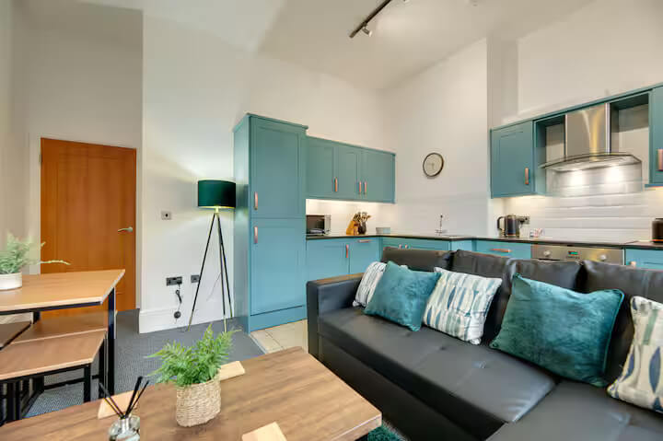 | 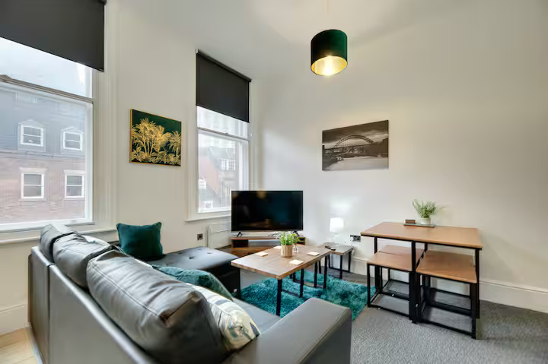
Friar's Gate (Laing Apartments) - 16 (4th) | Friar's Gate (Laing Apartments) - 16 (4th) | 2 | Welcome to Laing Apartments! Our one-bedroom apartment is perfectly located in the heart of Newcastle city centre, just a minute’s walk from The Gate, Chinatown, and local amenities. The apartment boasts a spacious living area with stylish and comfortable décor, along with a relaxing balcony offering views of the medieval friary. It’s an ideal base for exploring the city and enjoying nearby restaurants and attractions. The space This apartment provides a true home-from-home experience, perfect for unwinding after a busy day at work or exploring the beautiful sights of the city. Its central location ensures easy access to Newcastle's best shops, amenities, and transport links, making it an ideal choice for anyone seeking comfort and convenience. Distances: - Newcastle Airport: 7.4 miles (approximately 15 minutes by car) - Newcastle Central Station: Within walking distance - Easy access to all amenities and major trunk roads Guest access Our guests have the whole apartment within a well maintained residential building in the heart of Newcastle. | Apartment / whole house | 1 | 100 | 2000 | 2 | 54.9716147 | 1.61821 | 38 Low Friar Street, NE1 5UF |  | Newcastle upon Tyne | Tyne and Wear | NE1 5UF | 1 | Double | 1 |  |  |  |  |  |  |  |  |  |  |  |  |  |  |  |  |  |  | 1 | 1 |  | 1 | Ensuite |  |  |  |  |  |  |  |  |  | Broadband | Private parking | Free parking on premises |  | Balcony | No smoking | Whole property, Hot water, Iron, Heating, Laptop friendly workspace | Tv, Free wifi | Clothes hangers, Hair dryer, Bed linen | Toilet, Towels, Shower, Bath, Toilet papers | Smoke detector, Fire extinguisher, First aid kit | Private parking | Kitchen, Fridge, Microwave, Dining, Washing machine, Oven, Dishwasher | 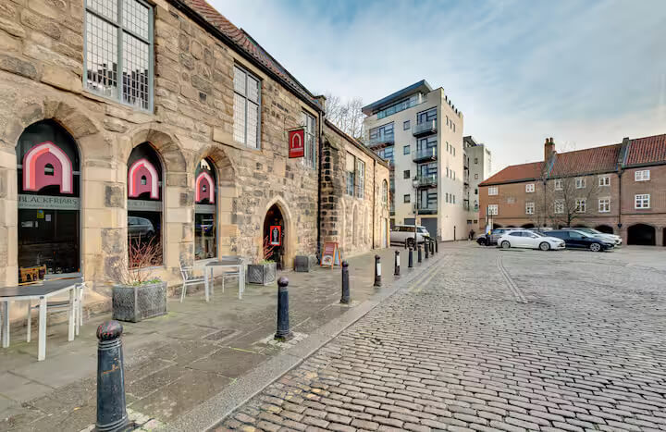 | 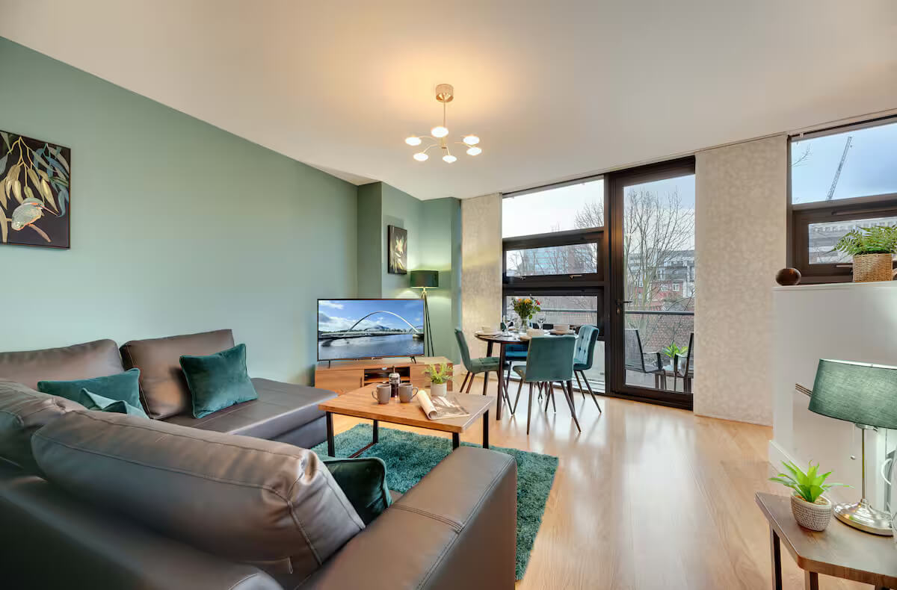
The Hideaway at Monk Street - 12 (1st) | The Hideaway at Monk Street - 12 (1st) | 4 | Welcome to The Hideaway at Monk Street Apartment, ideally situated in the heart of Newcastle’s historic Chinatown. This central location is perfect for exploring the city, with easy access to the City Centre’s many attractions, including shops, cafés, theatres, and restaurants. The space The Hideaway at Monk Street is a first floor apartment tucked away in a private courtyard. It features two double bedrooms and a family bathroom with a walk in shower. There is an inviting living space with dining area, perfect for working and enjoying meals together with a separate kitchen area. Just a short walk from St. James’ Park, home of Newcastle United and with excellent transport links and major road access, this apartment is ideal for both leisure and business travellers. Guest access Our guests have the whole apartment within a well maintained residential building in the heart of Newcastle. | Apartment / whole house | 1 | 100 | 2000 | 2 | 54.9715173 | 1.61866 | 1 Monk Street, NE1 5XD |  | Newcastle upon Tyne | Tyne and Wear | NE1 5XD | 2 | Double | 1 | Double | 1 |  |  |  |  |  |  |  |  |  |  |  |  |  |  |  |  | 1 | 1 |  | 1 | Main bathroom |  |  |  |  |  |  |  |  |  | Broadband | No parking | Paid parking off premises |  | No garden | No smoking | Whole property, Hot water, Iron, Heating, Laptop friendly workspace | Tv, Free wifi | Clothes hangers, Hair dryer, Bed linen | Toilet, Towels, Shower, Bath, Toilet papers | Smoke detector, Fire extinguisher, First aid kit | Private parking | Fridge, Microwave, Dining, Oven, Dishwasher, Coffee maker | 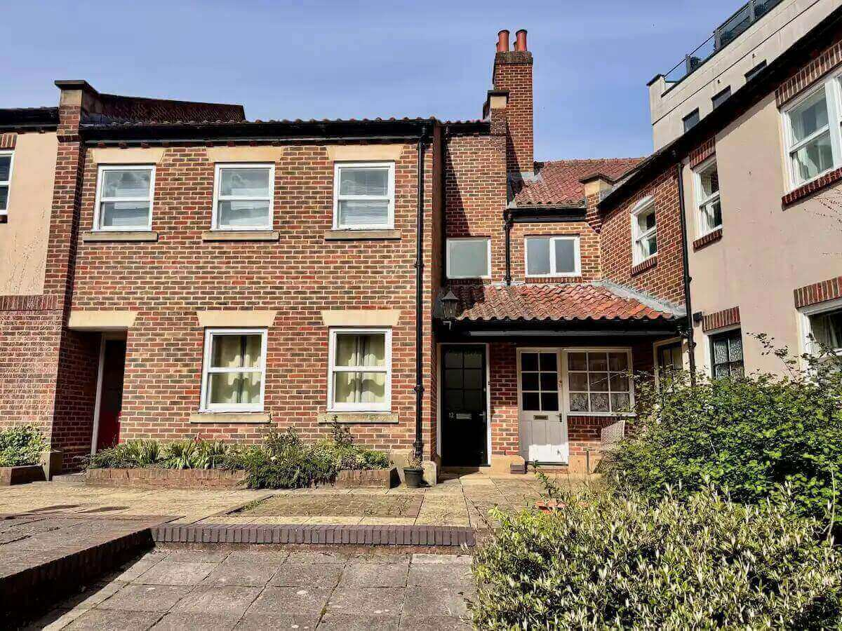 | 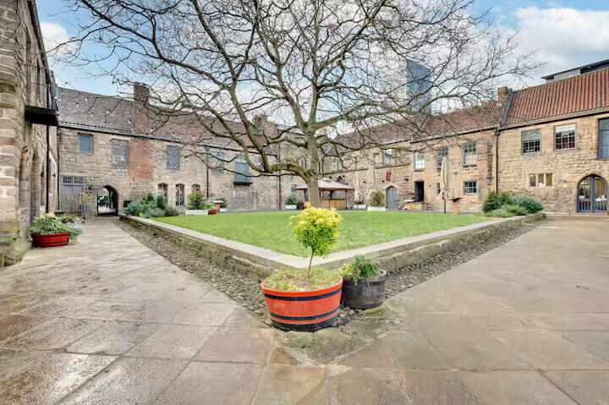
City Quadrant (All Saints Apartments) - 501 (5th floor) | City Quadrant (All Saints Apartments) - 501 (5th floor) | 4 | Welcome to All Saints Apartments! Our beautifully furnished two-bedroom apartment is located in the prestigious heart of Newcastle city centre. The central location provides easy access to the city’s best shops, restaurants, and transport links, with Newcastle Central Train Station just a 5-minute walk away and the main centre of town right at your doorstep. All Saints Apartments is the perfect choice for anyone seeking comfort and convenience in Newcastle! The space The central location provides easy access to the city’s best shops, restaurants, and transport links, with Newcastle Central Train Station just a 5-minute walk away and the main centre of town right at your doorstep. Distances: - Newcastle Airport: 7.4 miles (approximately 15 minutes by car) - Newcastle Central Station: Within walking distance - Easy access to all amenities and major trunk roads Guest access Our guests have the whole apartment within a well maintained residential building in the heart of Newcastle. | Apartment / whole house | 1 | 100 | 2000 | 2 | 54.9685019 | 1.6218 | 11 Waterloo Square, NE1 4DP |  | Newcastle upon Tyne | Tyne and Wear (Ceremonial County) | NE1 4DP | 2 | Double | 1 | Double | 1 |  |  |  |  |  |  |  |  |  |  |  |  |  |  |  |  | 1 | 1 |  | 2 | Ensuite | Ensuite |  |  |  |  |  |  |  |  | Broadband | Private parking | Free multistorey car park on premises – 1 space |  | No garden | No smoking | Whole property, Hot water, Iron, Heating, Laptop friendly workspace | Tv, Free wifi | Clothes hangers, Hair dryer, Bed linen | Towels, Shower, Bath, Toilet | Smoke detector, Fire extinguisher, Carbon monoxide detector | Private parking | Fridge, Microwave, Dining, Dishwasher, Coffee maker, Kitchen, Oven, Tumble dryer, Washing machine | 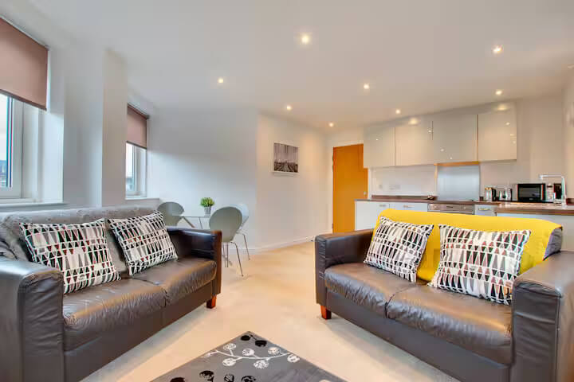 | 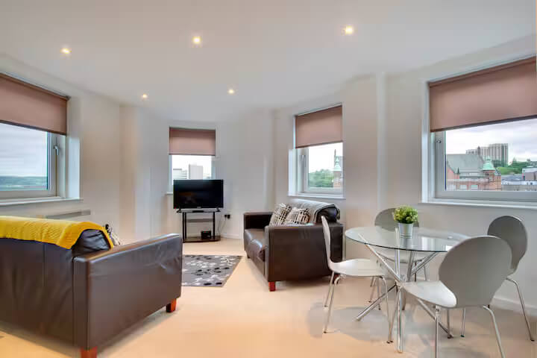
City Quadrant (All Saints Apartments) - 404 (4th Floor) | City Quadrant (All Saints Apartments) - 404 (4th Floor) | 2 | Welcome to All Saints Apartments! This charming one-bedroom apartment is ideally positioned in the heart of Newcastle city centre. Its central location provides seamless access to Newcastle’s finest shops, restaurants, and transport links, with Newcastle Central Train Station just a 5-minute stroll away and the bustling city centre right outside your door. All Saints Apartments is an ideal choice for those seeking both comfort and convenience in Newcastle The space Furnished to a high standard, our apartments include a fully equipped kitchen with all the appliances you might need during your stay, making them ideal for both short and long-term visits. Distances: - Newcastle Airport: 7.4 miles (approximately 15 minutes by car) - Newcastle Central Station: Within walking distance - Easy access to all amenities and major trunk roads. Guest access Our guests have the whole apartment within a well maintained residential building in the heart of Newcastle! | Apartment / whole house | 1 | 100 | 2000 | 2 | 54.9685019 | 1.6218 | 11 Waterloo Square, NE1 4DP |  | Newcastle upon Tyne | Tyne and Wear (Ceremonial County) | NE1 4DP | 1 | King | 1 |  |  |  |  |  |  |  |  |  |  |  |  |  |  |  |  |  |  | 1 | 1 |  | 1 | Ensuite |  |  |  |  |  |  |  |  |  | Broadband | Private parking | Free parking on premises, Paid parking off premises |  | Balcony | No smoking | Whole property, Hot water, Iron, Heating, Laptop friendly workspace | Tv, Free wifi | Clothes hangers, Hair dryer, Bed linen | Towels, Shower, Bath, Toilet, Toilet papers | Smoke detector, Fire extinguisher | Private parking | Fridge, Microwave, Dining, Coffee maker, Kitchen, Washing machine | 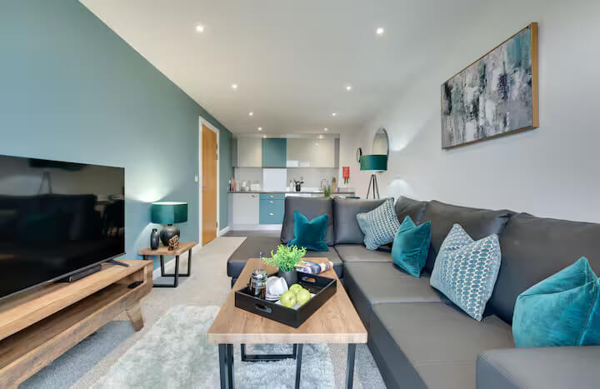 | 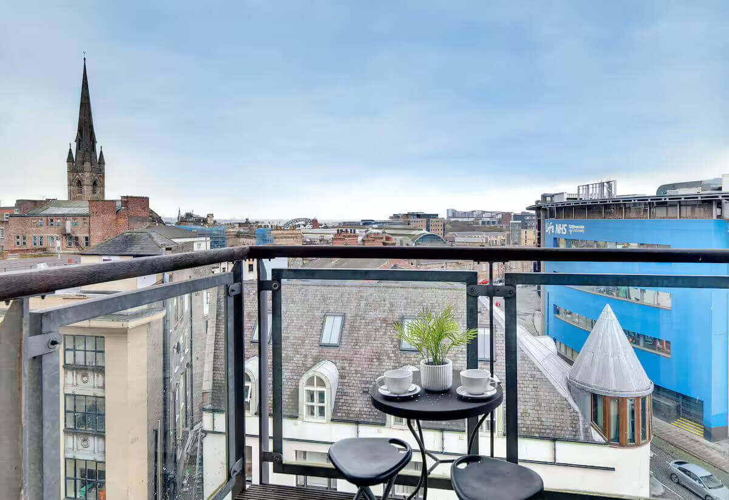
City Quadrant (All Saints Apartments) - 406 (4th Floor) | City Quadrant (All Saints Apartments) - 406 (4th Floor) | 2 | Welcome to All Saints Apartments! This delightful one-bedroom apartment is nestled in the heart of Newcastle city centre. Its prime location offers access to Newcastle’s fantastic range of shops, restaurants, and transport links. Newcastle Central Train Station is just a 5-minute walk away, with the bustling city centre right on your doorstep. All Saints Apartments is an ideal choice for those seeking both comfort and convenience in the heart of Newcastle! The space Furnished to a high standard, our apartments include a fully equipped kitchen with all the appliances you might need during your stay, making them ideal for both short and long-term visits. Distances: - Newcastle Airport: 7.4 miles (approximately 15 minutes by car) - Newcastle Central Station: Within walking distance - Easy access to all amenities and major trunk roads Guest access Our guests have the whole apartment within a well maintained residential building in the heart of Newcastle. | Apartment / whole house | 1 | 100 | 2000 | 2 | 54.9685019 | 1.6218 | 12 Waterloo Square, NE1 4DP |  | Newcastle upon Tyne | Tyne and Wear (Ceremonial County) | NE1 4DP | 1 | King | 1 |  |  |  |  |  |  |  |  |  |  |  |  |  |  |  |  |  |  | 1 | 1 |  | 1 | Ensuite |  |  |  |  |  |  |  |  |  | Broadband | Private parking | Free parking on premises, Paid parking off premises |  |  | No smoking | Whole property, Hot water, Iron, Heating, Laptop friendly workspace | Tv, Free wifi | Clothes hangers, Hair dryer, Bed linen | Towels, Shower, Bath, Toilet, Toilet papers | Smoke detector, Fire extinguisher, Carbon monoxide detector | Private parking | Fridge, Microwave, Dining, Coffee maker, Kitchen, Washing machine, Dishwasher | 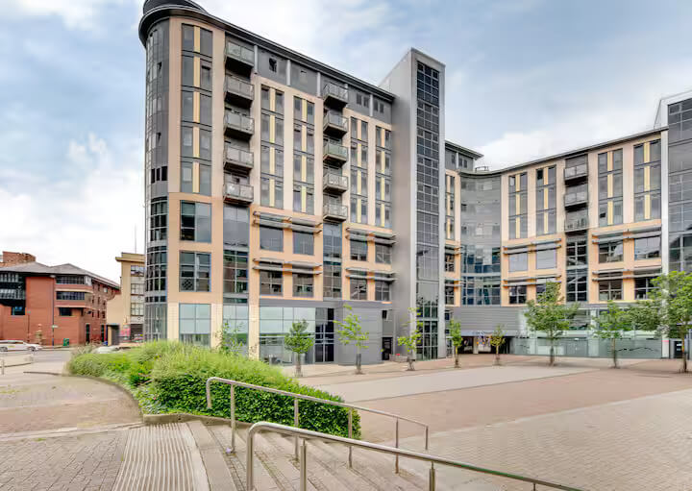 | 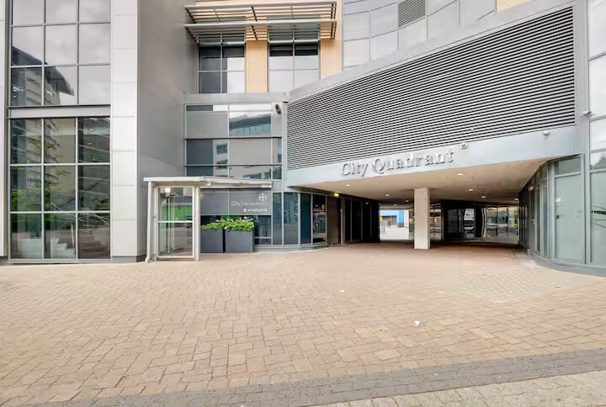
Percy Park (Percy Apartments) - Flat 3 (2nd floor) | Percy Park (Percy Apartments) - Flat 3 (2nd floor) | 4 | Amazing two bedroom top floor apartment located near the beach in Tynemouth. The scenic award winning Long Sands is within walking distance to enjoy and maybe have a go at paddle boarding or surfing! This apartment offers a fully equipped kitchen including a washer/dryer, free WIFI and on street parking very close by. We will provide weekend/bank holiday permits in the form of scratch cards. Monday to Friday is free parking. The space The apartment is on the top floor of a wonderful house with fantastic views of the sea from the huge lounge windows. There are 2 spacious bedrooms and a cosy lounge with dining table which will easily seat 6. Hidden behind a secret door in the hallway is the work desk/space so really can work from anywhere! The kitchen is fully equipped and the bathroom has a bath with a shower. Guest access Parking is on street - Free Monday to Friday but payable at the weekends or on bank holidays. You can walk to the beach, the ice cream parlour, boating lake and into Tynemouth village where you will find plenty of pubs and restaurants or cafes. Other things to note Please note: The apartment is located at the top of the building accessible via a dimly lit Victorian staircase that narrows at the top of the building. | Apartment / whole house | 1 | 100 | 2000 | 2 | 55.0214741 | -1.42763 | 65 Percy Park Road, NE30 4LG |  | Tynemouth | Tyne and Wear | NE30 4LG | 2 | Double | 1 | Double | 1 |  |  |  |  |  |  |  |  |  |  |  |  |  |  |  |  | 1 | 1 |  | 1 | Main bathroom |  |  |  |  |  |  |  |  |  | Broadband | Private parking | Free parking on premises, Free on-street parking, Paid street parking off premises |  | Shared garden | No smoking | Whole property, Hot water, Iron, Heating, Laptop friendly workspace, Garden | Tv, Free wifi | Clothes hangers, Hair dryer, Bed linen | Towels, Bath, Toilet, Soap, Shampoo | Smoke detector, Fire extinguisher, Carbon monoxide detector | Private parking, On street parking | Fridge, Microwave, Dining, Coffee maker, Kitchen, Washing machine, Oven, Tumble dryer | 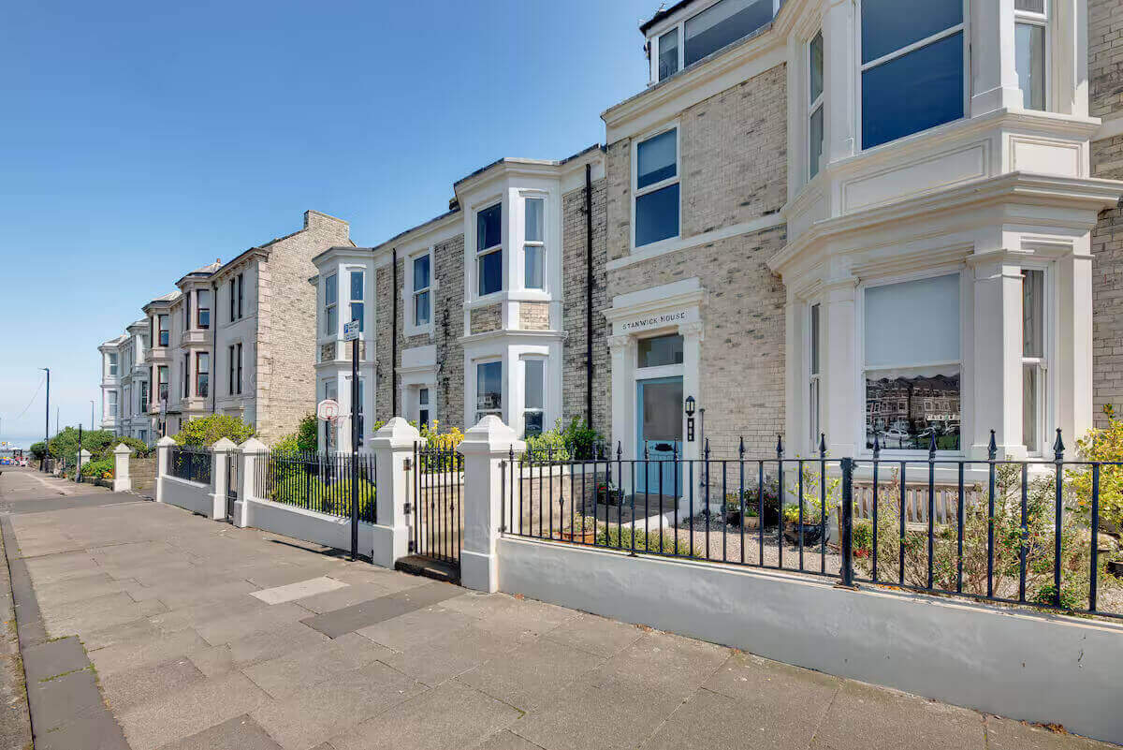 | 