Sheet1
Property title | Internal name | No. of people in property | Property description | Property type | No. of units in this property | Standard clean price | Price per month | property active (1=active & 2=deactive) | Property latitude | Property longitude | Address 1 | Address 2 (no data then leave empty) | City | County | Postcode | No. of bedrooms | Bedroom 1 | Bedroom1 - bed quantity | Bedroom 2 | Bedroom2 - bed quantity | Bedroom 3 | Bedroom3 - bed quantity | Bedroom4 | Bedroom4 - bed quantity | Bedroom5 | Bedroom5 - bed quantity | Bedroom6 | Bedroom6 - bed quantity | Bedroom7 | Bedroom7 - bed quantity | Bedroom8 | Bedroom8 - bed quantity | Bedroom9 | Bedroom9 - bed quantity | Bedroom10 | Bedroom10 - bed quantity | Sleeping facility in living area (0=no & 1=yes) | Sofa bed (no data then leave empty) | Futon (no data then leave empty) | No. of bathrooms | Bathroom 1 | Bathroom 2 | Bathroom 3 | Bathroom 4 | Bathroom 5 | Bathroom 6 | Bathroom 7 | Bathroom 8 | Bathroom 9 | Bathroom 10 | Wifi | Parking | Parking summary (no data then leave empty) | Parking details (no data then leave empty) | Garden | Smoking | General amenities | Entertainment amenities | Bedroom amenities | Bathroom amenities | Safety amenities | Access amenities | Kitchen amenities | Featured image (single iamge) | Gallery images (multiple image)
Sallyport House (Watch Tower Apartment) - 3rd floor | Sallyport House (Watch Tower Apartment) - 3rd floor | 2 | Watch Tower Apartment is a stylish one-bedroom apartment located in the heart of Newcastle’s vibrant Quayside, offering an ideal base for both short and extended stays. Set across two levels, the apartment combines comfort, space, and convenience in a sought-after riverside location. The lower level features a fully equipped modern kitchen, perfect for home cooking, alongside a comfortable living area with a dining space for relaxed meals or working from home. The space Large windows and a Juliet balcony allow natural light to flood the space, creating a bright and welcoming atmosphere. Upstairs, you’ll find a light and spacious master bedroom designed for a restful night’s sleep, along with a contemporary bathroom complete with a walk-in shower. The apartment also benefits from lift access to the third floor and secure allocated parking for one car, adding extra peace of mind during your stay. Set right on Newcastle’s iconic Quayside, Watch Tower Apartment places you in one of the city’s most vibrant and scenic spots. This riverside stretch is famous for its stunning views of the Tyne, beautiful architecture, and lively atmosphere day and night. Whether you're here for a romantic weekend, a city break, or work, everything you need is right on your doorstep. Step outside and within easy reach you’ll find a fantastic mix of stylish bars, cosy cafés, award-winning restaurants, and riverside pubs, many with outdoor seating overlooking the water. It’s the perfect area for a morning coffee walk, an evening cocktail, or a relaxed Sunday lunch. You’re also moments from some of Newcastle’s most recognisable landmarks — including the Tyne Bridge and the spectacular Gateshead Millennium Bridge — and within easy walking distance of the bustling city centre. Head uphill to explore Grey Street, the theatres, and shops, or cross the river to the Sage Gateshead and BALTIC Centre for Contemporary Art for music, exhibitions, and culture. The Quayside is especially l | Apartment / whole house | 1 | 100 | 1000 | 2 | 54.9714847 | -1.6071161 | 37 Sallyport House, City Road, Newcastle Upon Tyne |  | Newcastle Upon Tyne | Tyne | NE1 2AE | 1 | King | 1 |  |  |  |  |  |  |  |  |  |  |  |  |  |  |  |  |  |  | 1 | 1 |  | 1 | Main bathroom |  |  |  |  |  |  |  |  |  | Broadband | Private parking | Free residential garage on premises – 1 space |  | No garden | No smoking | Iron, Hot water, Heating | Tv, Free wifi | Bed linen, Clothes hangers, Hair dryer | Bath, Toilet, Toilet papers | Carbon monoxide detector, Smoke detector, Fire extinguisher | Private parking | Microwave, Oven, Kitchen, Dining | 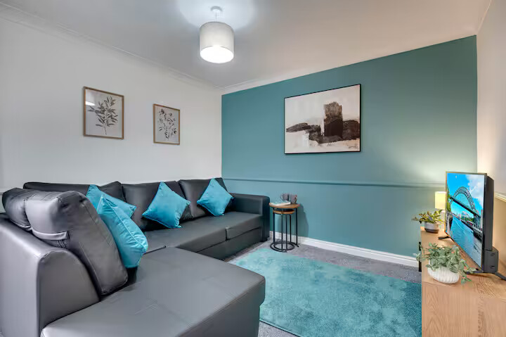 | 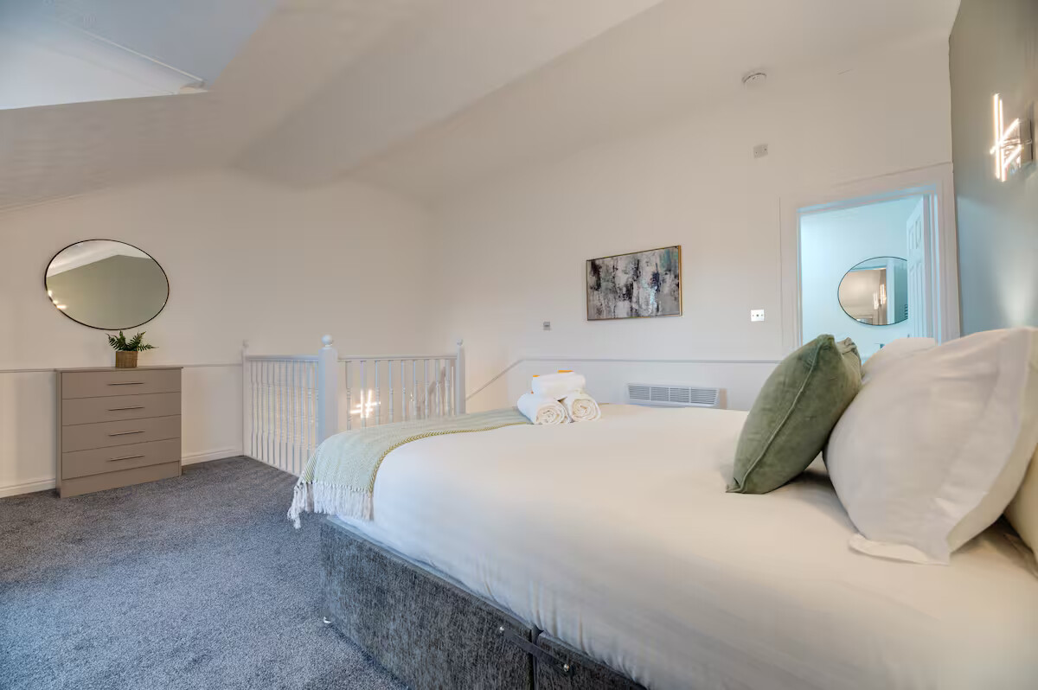
Dene House - Portland Apartment by Week2Week - ground floor | Dene House - Portland Apartment by Week2Week - ground floor | 4 | This modern ground floor apartment in the popular Jesmond area offers the perfect combination of comfort, style, and convenience. Just a short walk from Newcastle city centre, Universities and Hospitals - it’s ideal for professionals, contractors and families seeking high-quality short-term or long-term accommodation in Newcastle. The space The property features a bright and cosy living space, a fully equipped kitchen with a washing machine, and a contemporary bathroom with a separate walk-in shower. With two king size beds, (can also be made into two single beds) it comfortably sleeps up to four guests, making it a perfect home-from-home for business travellers or family breaks. Located in a peaceful neighbourhood, the apartment provides easy access to Jesmond’s trendy cafes, boutique shops, and green spaces such as Exhibition Park. Excellent transport links, including Metro and bus services, ensure quick and easy travel around Newcastle and beyond. Whether you’re visiting for work, leisure, or relocation, this serviced apartment offers a welcoming home-from-home experience. Guest access Guests have access to the entire flat Other things to note *Please note we do not provide toiletries such as shampoos, shower gels/soaps etc, or pantry essentials like oils, salt or pepper*\n\nIn our commitment to environmental sustainability, we believe it is crucial to take steps towards reducing waste and minimizing our ecological footprint. | Apartment / whole house | 1 | 100 | 1500 | 2 | 54.9812257 | -1.6261611 | 190 Portland Road, Jesmond |  | Newcastle Upon Tyne | Tyne and Wear | NE2 1DJ | 2 | King | 1 | King | 1 |  |  |  |  |  |  |  |  |  |  |  |  |  |  |  |  | 0 |  |  | 1 | Main bathroom |  |  |  |  |  |  |  |  |  | Broadband | Street parking | Free parking on premises |  | No garden | No smoking | Iron, Hot water, Heating | Tv, Free wifi | Bed linen, Clothes hangers, Hair dryer | Bath | Carbon monoxide detector, Smoke detector, Fire extinguisher | On street parking | Microwave, Fridge, Oven, Kitchen, Dining, Dishwasher, Washing machine | 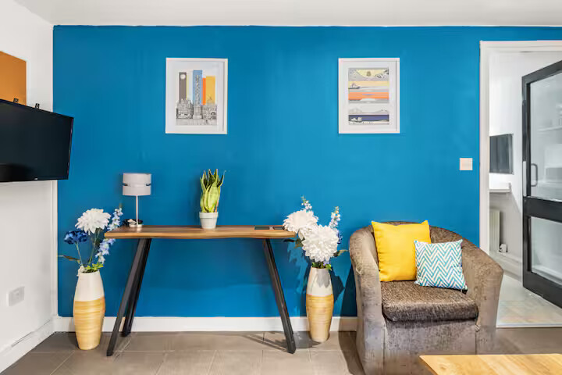 | 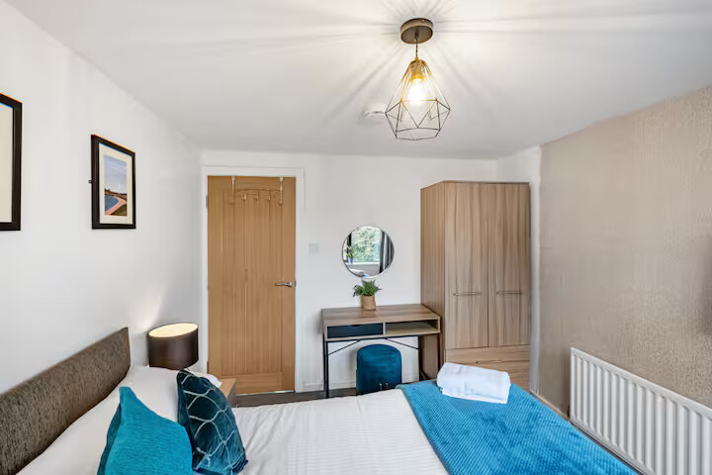
Dene House - Ouseburn Apartment by Week2Week - 1st floor | Dene House - Ouseburn Apartment by Week2Week - 1st floor | 4 | This first-floor apartment in the vibrant suburb of Jesmond area offers the perfect blend of comfort and convenience. Just a short walk from Newcastle city centre, Universities and hospitals it’s ideal for professionals, contractors and families looking for a relaxing stay in a popular neighbourhood. The space The apartment features a cosy living area, a fully equipped modern kitchen, and a contemporary bathroom with a separate shower. With two king size bedrooms (can also be made into single beds), it provides flexible accommodation for up to four guests. Guests can enjoy a peaceful retreat with easy access to Jesmond’s charming cafes, boutique shops, and green spaces such as Exhibition Park. Excellent transport links, including Metro and bus services, make exploring Newcastle and the surrounding areas effortless. **Please note that we have a shared washing machine in the ground floor garage which you are welcome to use during your stay. Guest access Guests have access to the whole property Other things to note *Please note we do not provide toiletries such as shampoos, shower gels/soaps etc, or pantry essentials like oils, salt or pepper* Our commitment to environmental sustainability, we believe it is crucial to take steps towards reducing waste and minimizing our ecological footprint. | Apartment / whole house | 1 | 100 | 2000 | 2 | 54.9812257 | -1.6261611 | 190 Portland Road, Jesmond |  | Newcastle Upon Tyne | Tyne and Wear | NE2 1DJ | 2 | King | 1 | King | 1 |  |  |  |  |  |  |  |  |  |  |  |  |  |  |  |  | 1 | 2 |  | 1 | Ensuite |  |  |  |  |  |  |  |  |  | Broadband | Street parking | Free parking on premises |  | No garden | No smoking | Iron, Hot water, Heating, Laptop friendly workspace | Tv, Free wifi | Bed linen, Clothes hangers, Hair dryer | Bath, Toilet, Towels, Shower | Carbon monoxide detector, Smoke detector, Fire extinguisher | On street parking | Microwave, Fridge, Oven, Kitchen, Dining, Dishwasher, Washing machine | 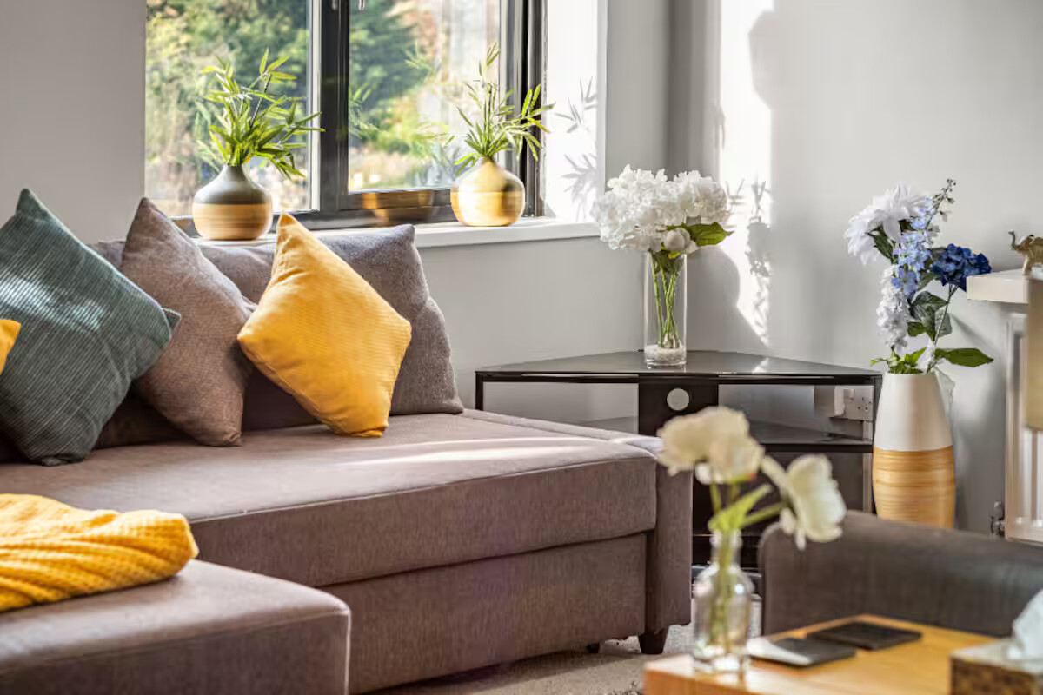 | 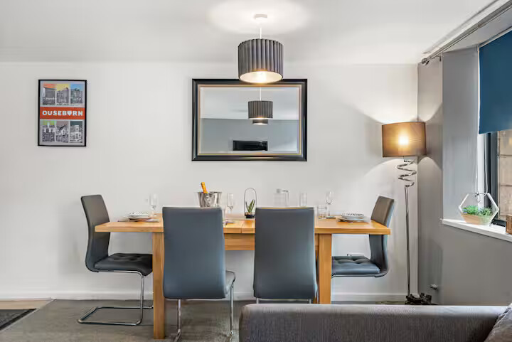
Dene House - Sandyford Apartment by Week2Week - 2nd floor | Dene House - Sandyford Apartment by Week2Week - 2nd floor | 4 | This bright and spacious second-floor apartment in the highly desirable Jesmond area offers the perfect blend of comfort and convenience. Just a short walk to Newcastle city centre, Universities and Hospitals - it’s ideal for professionals, contractors, and families seeking a stylish base in a vibrant neighbourhood. The space The property features a cosy lounge and dining space, a fully equipped modern kitchen, and a modern bathroom with a walk-in shower. Accommodation includes two king size bedrooms (can also be made into single beds), providing flexible sleeping arrangements. Guests can enjoy a peaceful stay with easy access to Jesmond’s cafes, boutique shops, and green spaces like Exhibition Park. Excellent transport links via Metro and bus routes make it simple to explore the wider Newcastle area. ***Please note that we have a shared washing machine in the ground floor garage that you are welcome to use during your stay. Guest access Guests have access to the whole property Other things to note *Please note we do not provide toiletries such as shampoos, shower gels\/soaps etc, or pantry essentials like oils, salt or pepper*\n\nIn our commitment to environmental sustainability, we believe it is crucial to take steps towards reducing waste and minimizing our ecological footprint. | Apartment / whole house | 1 | 100 | 2000 | 2 | 54.9812257 | -1.6261611 | 190 Portland Road, Jesmond |  | Newcastle Upon Tyne | Tyne and Wear | NE2 1DJ | 2 | King | 1 | King | 1 |  |  |  |  |  |  |  |  |  |  |  |  |  |  |  |  | 1 | 2 |  | 1 | Ensuite |  |  |  |  |  |  |  |  |  | Broadband | Street parking | Free parking on premises |  | No garden | No smoking | Iron, Hot water, Heating, Laptop friendly workspace | Tv, Free wifi | Bed linen, Clothes hangers, Hair dryer | Bath, Toilet, Towels, Shower | Carbon monoxide detector, Smoke detector, Fire extinguisher | On street parking | Microwave, Fridge, Oven, Kitchen, Dining, Dishwasher, Washing machine | 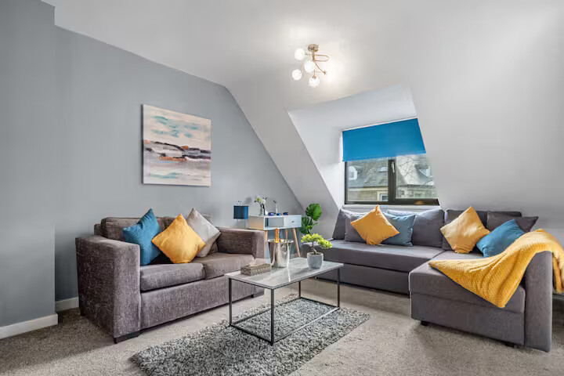 | 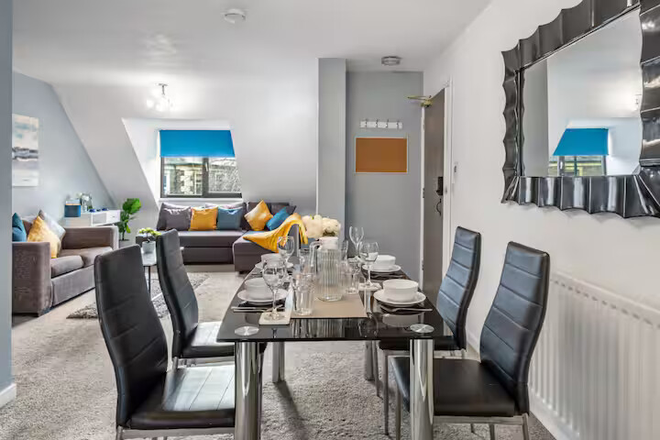
Brandon Grove Stay | Sleeps 6 by Week2Week - 31 (1st Floor) | Brandon Grove Stay | Sleeps 6 by Week2Week - 31 (1st Floor) | 6 | Brandon Grove is a spacious 3-bedroom first-floor apartment in the sought-after Jesmond area, just minutes from Newcastle city centre. Ideal for professionals, contractors, or families, it features a cosy lounge\/dining area, fully equipped kitchen, modern bathroom with separate WC, and free on-street parking with a permit provided. Enjoy a peaceful stay with easy access to local cafes, shops, green spaces and excellent transport links. The space Accommodating up to 6 guests, the property includes: Bedroom 1 – 1 King Bed Bedroom 2 – 1 Double Bed Bedroom 3 – 1 Small Double Bed 1 Full Bathroom – With a bathtub, overhead shower, toilet, and basin Comfortable living area – With sofa seating and Smart TV Dining area – Ideal for shared meals or work-from-home setups Fully equipped kitchen – Including oven, hob, microwave, fridge/freezer, kettle, toaster, cookware, and utensils Laundry facilities – Washing machine, drying rack, iron, and ironing board Free WiFi, fresh bed linen, towels, and cleaning essentials provided Nearby stores & restaurants Enjoy the vibrant Jesmond neighbourhood, known for its trendy eateries, boutique shops, and leafy streets: Waitrose Jesmond – 5-minute walk Tesco Express & Sainsbury’s Local – nearby for daily essentials Jesmond Dene Park – ideal for nature walks and fresh air Popular restaurants like Arlo, Jam Jar, and Francesca’s all within walking distance Jesmond Metro Station – quick and direct access to Newcastle City Centre and Central Station Other things to note Quiet residential neighbourhood – please keep noise to a minimum after 10 PM No parties or events permitted Toiletries and pantry items (e.g. salt, oil) not provided Perfect for family visits, work trips, or relaxing stays in a prime location Guest access Our guests will have the whole apartment to themselves Other things to note *Please note we do not provide toiletries such as shampoo's, shower gels/soaps etc, or pantry essentials like oils, salt or pepper* In our commitme | Apartment / whole house | 1 | 100 | 2000 | 2 | 54.9812946 | -1.5972972 | 31 Brandon Grove, Jesmond, Newcastle upon Tyne |  | Newcastle Upon Tyne | Tyne and Wear | NE2 1PA | 3 | King | 1 | Double | 1 | 4Ft small double | 1 |  |  |  |  |  |  |  |  |  |  |  |  |  |  | 1 | 1 |  | 1 | Main bathroom |  |  |  |  |  |  |  |  |  | Broadband | Street parking | Free parking on premises |  | No garden | No smoking | Iron, Hot water, Heating, Laptop friendly workspace | Tv, Free wifi | Bed linen, Clothes hangers, Hair dryer | Bath, Toilet, Toilet papers, Shower | Carbon monoxide detector, Smoke detector, Fire extinguisher | On street parking | Microwave, Fridge, Oven, Kitchen, Dining, Washing machine | 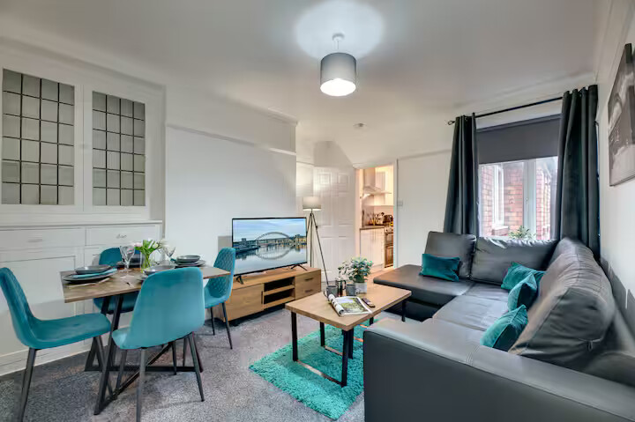 | 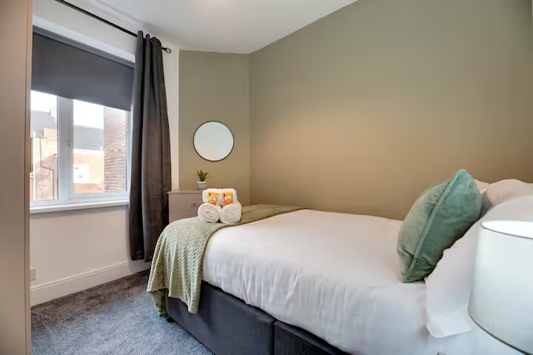
City Retreat on Queen Street - 23E (4th Floor) | City Retreat on Queen Street - 23E (4th Floor) | 4 | Our stylish and spacious 2-bedroom apartment is located in the heart of Newcastle, just minutes from the Quayside and City Centre. Set on the fourth floor, it features large sash windows, filling the space with natural light. Inside, you’ll find a bright open-plan living area, a fully equipped contemporary kitchen, and a tastefully finished bathroom. Guests will love the views of the iconic Tyne Bridge, making this the ideal base for both business & leisure stays. The space This apartment comfortably accommodates up to 4 guests and features: Bedroom 1: 1 Double Bed Bedroom 2: 1 Double Bed 1 Full Bathroom: with shower over bath, WC, and wash hand basin Bright open-plan living and dining area Fully equipped kitchen – includes oven, hob, fridge/freezer, microwave, toaster, kettle, and essential cookware Dining table, Smart TV, fast Wi-Fi Fresh towels and linens provided Washing machine, drying rack, iron & ironing board Nearby stores & restaurants: Enjoy the vibrant city life with everything close by: Newcastle City Centre – 10 minute walk Dobson & Parnell, Lui's, Gusto's, Khai Khai – popular local restaurants just moments away. Tesco Express & Grainger Market – for groceries and essentials Eldon Square Shopping Centre – 10 minutes on foot Central Station Metro Station – under 10 minutes away Guest access Guests have access to the whole apartment Other things to note *Please note we do not provide toiletries such as shampoo's, shower gels/soaps etc, or pantry essentials like oils, salt or pepper* In our commitment to environmental sustainability, we believe it is crucial to take steps towards reducing waste and minimizing our ecological footprint. | Apartment / whole house | 1 | 100 | 1500 | 2 | 54.9693071 | -1.6064772 | 23E Queen Street, Newcastle upon Tyne |  | Newcastle Upon Tyne | Tyne and Wear | NE1 3UG | 2 | Double | 1 | Double | 1 |  |  |  |  |  |  |  |  |  |  |  |  |  |  |  |  | 1 | 1 |  | 1 | Main bathroom |  |  |  |  |  |  |  |  |  | Broadband | No parking |  |  | No garden | No smoking | Iron, Hot water, Heating, Laptop friendly workspace | Tv, Free wifi | Bed linen, Clothes hangers, Hair dryer | Bath, Toilet, Toilet papers, Shower, Towels | Carbon monoxide detector, Smoke detector, Fire extinguisher | Wheelchair access | Microwave, Fridge, Oven, Kitchen, Dining | 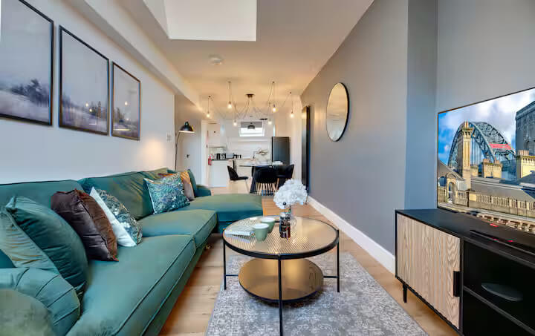 | 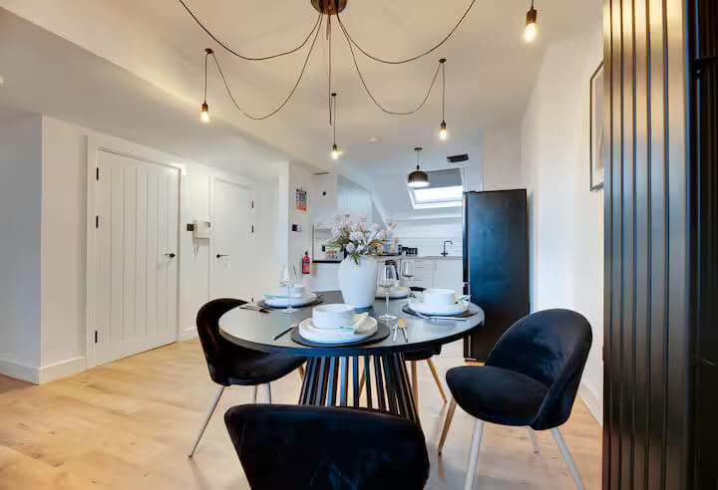
Modern 2 Bedroom Flat - Riverside Lofts - 24 (1st floor) | Modern 2 Bedroom Flat - Riverside Lofts - 24 (1st floor) | 4 | This modern 2-bedroom Quayside apartment is just minutes from Newcastle Central Station and the City Centre. It features a bright open-plan living space, a king and double bedroom, a bathroom with shower over bath, and secure on-site parking! The space This well-furnished apartment accommodates up to 4 guests and includes: Bedroom 1 – 1 King Bed Bedroom 2 – 1 Double Bed 1 Full Bathroom – Fitted with a bath/shower, toilet, and sink Open-plan living and dining area – with Smart TV and comfortable seating Fully equipped kitchen – Featuring an oven, hob, fridge/freezer, microwave, kettle, toaster, and cooking essentials Dining table for meals or remote work Laundry amenities – Washing machine, drying rack, iron, and ironing board Free WiFi, fresh towels, and bed linen included There is a garage in the basement of the building; parking is subject to availability and cannot be guaranteed. Nearby public car parks are also available as alternatives. Nearby stores & restaurants Situated in one of the most desirable areas of Newcastle, you'll be within easy reach of everything you need: Tesco Express – 5-minute walk Dean Street Car Park – Nearby alternative parking The Broad Chare, House of Tides, and The Jolly Fisherman – Excellent nearby dining Quayside Market – A few minutes away for weekend browsing and local bites City Centre, Grey Street, and Eldon Square – All within walking distance Other things to note Quiet residential block – please observe noise levels after 10 PM No parties or events allowed Basic toiletries and pantry staples not provided Ideal for holiday stays, business trips, and short getaways Guest access Guests have full and private access to the entire apartment. Other things to note *Please note we do not provide toiletries such as shampoo's, shower gels/soaps etc, or pantry essentials like oils, salt or pepper* In our commitment to environmental sustainability, we believe it is crucial to take steps towards reducing waste and minimizing our ecolog | Apartment / whole house | 1 | 100 | 1000 | 2 | 54.9676019 | -1.6136733 | 24 Quayside Lofts, 58 The Close, Newcastle upon Tyne |  | Newcastle Upon Tyne | Tyne and Wear | NE1 3RJ | 2 | King | 1 | Double | 1 |  |  |  |  |  |  |  |  |  |  |  |  |  |  |  |  | 1 | 1 |  | 1 | Main bathroom |  |  |  |  |  |  |  |  |  | Broadband | Street parking |  |  | No garden | No smoking | Iron, Hot water, Heating, Laptop friendly workspace | Tv, Free wifi | Bed linen, Clothes hangers, Hair dryer | Bath, Toilet, Shower, Towels | Carbon monoxide detector, Smoke detector | On street parking | Microwave, Fridge, Oven, Kitchen, Dining, Washing machine | 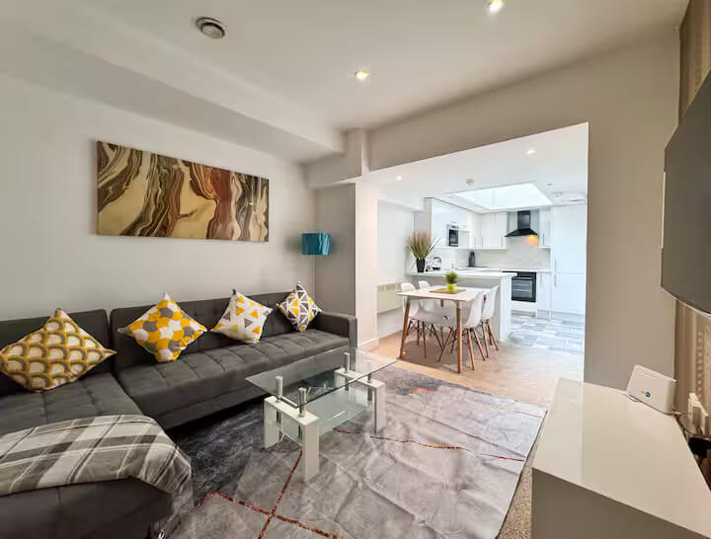 | 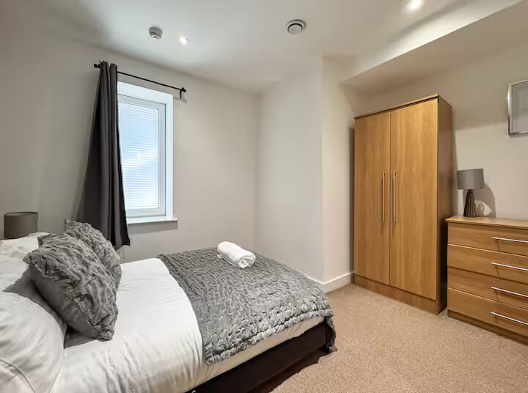
The Wingrove Retreat - 1 (house) | The Wingrove Retreat - 1 (house) | 6 | Wingrove Retreat sits on the outskirts of Newcastle City Centre, in a culturally diverse neighbourhood with a vibrant community feel. It is ideal for groups, contractors or families. This property features comfortable sleeping arrangements for up to 6 guests, a fully equipped kitchen, WiFi and all the essentials needed for a short or extended stay. The area offers easy access to local shops and transport links, while still being just a short distance from the city’s main attractions. The space This stylish home offers a practical layout and homely comforts, including: Bedroom 1 – 1 double bed Bedroom 2 – 1 double bed Bedroom 3 – 1 king-size bed (can be converted into 2 singles upon request) 1 full bathroom – Includes a shower over bath, WC and wash hand basin Living room – Comfortable seating area and Smart TV Fully equipped kitchen – Oven, hob, microwave, fridge/freezer, kettle, toaster, cookware, and utensils Laundry facilities – Washing machine, drying rack, iron, and ironing board Free WiFi and fresh towels & bed linen provided Conveniently located near local shops and eateries, including: Asda Superstore – 5 minutes by car for groceries and essentials Costa Coffee, Greggs, and KFC – Within a short drive Popular dining spots, shops and cultural venues in nearby Newcastle City Centre St James’ Park – Just 10 minutes away for football fans Easy access to A1(M) and Newcastle city centre via public transport Other things to note Residential neighbourhood Perfect for families, groups or contractor stays. Travel cot or bed configuration changes available on request Guest access Guests will have access to the entire home. Other things to note *Please note we do not provide toiletries such as shampoo's, shower gels/soaps etc, or pantry essentials like oils, salt or pepper* In our commitment to environmental sustainability, we believe it is crucial to take steps towards reducing waste and minimizing our ecological footprint. | Whole property | 1 | 100 | 2000 | 2 | 54.9764534 | -1.6472857 | 1 Agricola Road |  | Newcastle Upon Tyne | Tyne and Wear | NE4 9DE | 3 | King | 1 | Double | 1 | Double | 1 |  |  |  |  |  |  |  |  |  |  |  |  |  |  | 1 | 2 |  | 1 | Main bathroom |  |  |  |  |  |  |  |  |  | Broadband | Street parking |  |  | No garden | No smoking | Iron, Hot water, Heating, Laptop friendly workspace | Tv, Free wifi | Clothes hangers, Hair dryer | Bath, Toilet, Shower, Towels | Carbon monoxide detector, Smoke detector, Fire extinguisher | Private entrance, On street parking | Microwave, Fridge, Oven, Kitchen, Dining, Washing machine | 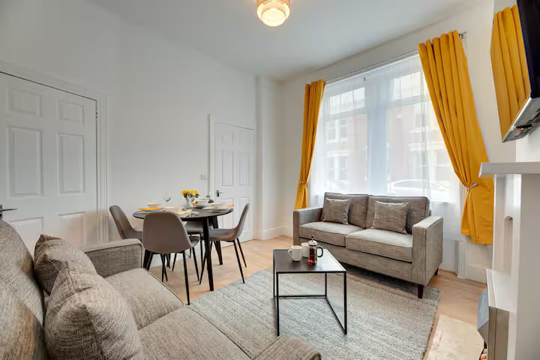 | 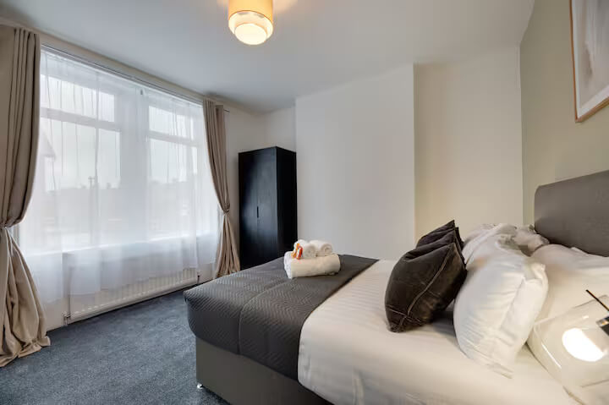
Southgarth East (Angel's Haven Apartments) - 1 (ground floor) | Southgarth East (Angel's Haven Apartments) - 1 (ground floor) | 4 | Welcome to Angel's Haven Apartments! This property is a ground-floor, two-bedroom apartment and is located in the heart of South Shields within a beautiful period property in the historic Westoe area. Its prime location places you just a one-minute walk from South Tyneside College and the Marine School, and a short stroll from Westoe Village, where you’ll find local shops, restaurants, and amenities. The space Inside, the apartment features two cozy double bedrooms, a spacious living and dining area, a fully equipped kitchen, and a bathroom with an overhead shower. With its stylish decor and homely atmosphere, Southgarth Apartments is perfect for those looking for a comfortable and convenient stay in South Shields. Key Highlights: - Historic Setting: Situated within a characterful former convent, blending period charm with modern style. - Prime Location: Close to South Tyneside Marine College and a short walk to Westoe Village. - Two Double Bedrooms: Ideal for families, friends, or business travelers. - Spacious & Comfortable: Includes a large living room, dining space, and fully equipped kitchen. - Beautiful Surroundings: Picture windows overlook gardens, and Sandhaven Beach is a quick drive away. - Local Dining: Close to the award-winning Coleman’s Seafood Restaurant and other local eateries. Distances: - Sandhaven Beach: 1.6 miles (approx. 6 minutes by car) - South Tyneside Marine College: 0.3 miles (approx. 2 minutes by car / 7 minutes on foot) - Newcastle Airport: 20 miles (approx. 33 minutes by car) - Newcastle City Centre: 11 miles (approx. 28 minutes by car) With easy access to Newcastle, Sunderland, the Tyne Tunnel, Port of Tyne, and nearby parks, Southgarth Apartments provides the ideal base for a memorable stay in South Shields. Guest access Guest have access to the entire property. Other things to note *Please note we do not provide toiletries such as shampoo's, shower gels/soaps etc, or pantry essentials like oils, salt or pepper* In our commitmen | Apartment / whole house | 1 | 100 | 1000 | 2 | 54.9867399 | -1.4229934 | 1 Westhoe Village |  | South Shields | Tyne and Wear | NE33 3EG | 2 | King | 1 | Double | 1 |  |  |  |  |  |  |  |  |  |  |  |  |  |  |  |  | 1 | 1 |  | 1 | Main bathroom |  |  |  |  |  |  |  |  |  | Broadband | Street parking |  |  | Balcony | No smoking | Iron, Hot water, Heating, Garden | Tv, Free wifi | Bed linen, Clothes hangers, Hair dryer | Bath, Toilet, Toilet papers | Carbon monoxide detector, Smoke detector, Fire extinguisher | Private entrance, On street parking | Microwave, Fridge, Oven, Kitchen, Dining, Dishwasher, Coffee maker, Washing machine, Tumble dryer | 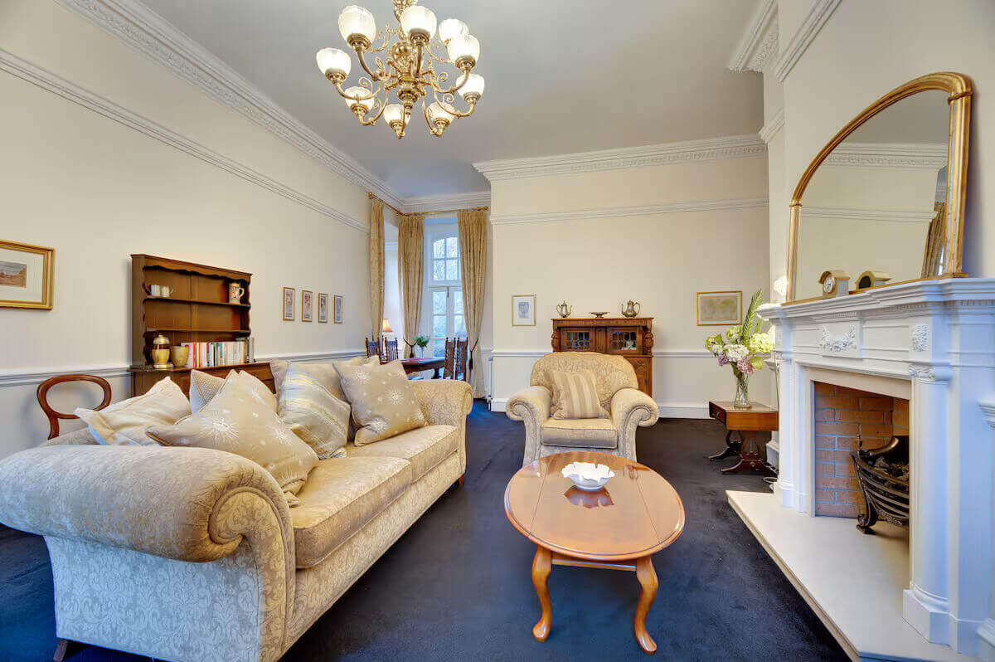 | 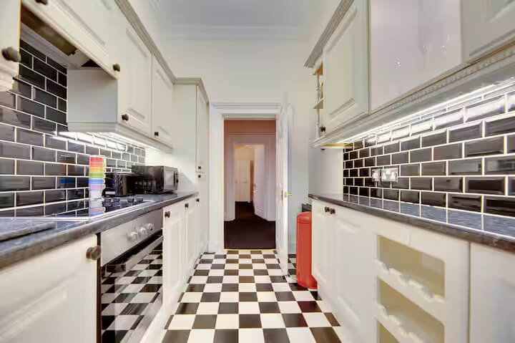
Osborne Avenue (Shoreline Angel Apartments) - 137 (ground floor) | Osborne Avenue (Shoreline Angel Apartments) - 137 (ground floor) | 4 | Shoreline Apartments are ideally located in the heart of South Shields, this bright and spacious apartment boasts modern décor and a stylish patio area, perfect for relaxing or entertaining. Furnished to a high standard with contemporary appliances, it offers a fully functional space designed for both living and working. Additionally, on-street parking adds to the convenience of this lovely property. The space •The property is perfectly located within South Shields, close to shops, restaurants and amenities, and a short stroll to the wonderful Sandyhaven Beach. •Ideally situated for professionals working from home, families looking for a short break, or those who wish to relax by the seaside. •The property is a lower ground flat, accessible via a step down into the apartment. •Fitted with Wi-Fi, perfect for entertainment or home working. •The property offers essential modern-day appliances and washing facilities providing you with everything you will need to help make your stay as comfortable and enjoyable as possible. Guest access Our guests have access to the whole apartment. Other things to note *Please note we do not provide toiletries such as shampoo's, shower gels/soaps etc, or pantry essentials like oils, salt or pepper* In our commitment to environmental sustainability, we believe it is crucial to take steps towards reducing waste and minimizing our ecological footprint. | Apartment / whole house | 1 | 100 | 1500 | 2 | 54.9922734 | -1.4216193 | 137 Osborne Ave, South Shields |  | South Shields | Tyne and Wear | NE33 3BY | 2 | Double | 1 | Single | 2 |  |  |  |  |  |  |  |  |  |  |  |  |  |  |  |  | 1 | 1 |  | 1 | Main bathroom |  |  |  |  |  |  |  |  |  | Broadband | Street parking |  |  | Private garden | No smoking | Iron, Hot water, Heating, Garden | Tv, Free wifi | Bed linen, Clothes hangers, Hair dryer | Bath, Shower | Carbon monoxide detector, Smoke detector, Fire extinguisher | Private entrance, On street parking | Microwave, Fridge, Kitchen, Dining, Coffee maker, Washing machine | 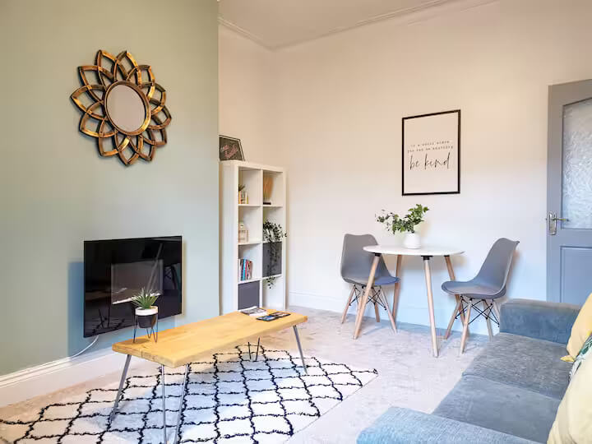 | 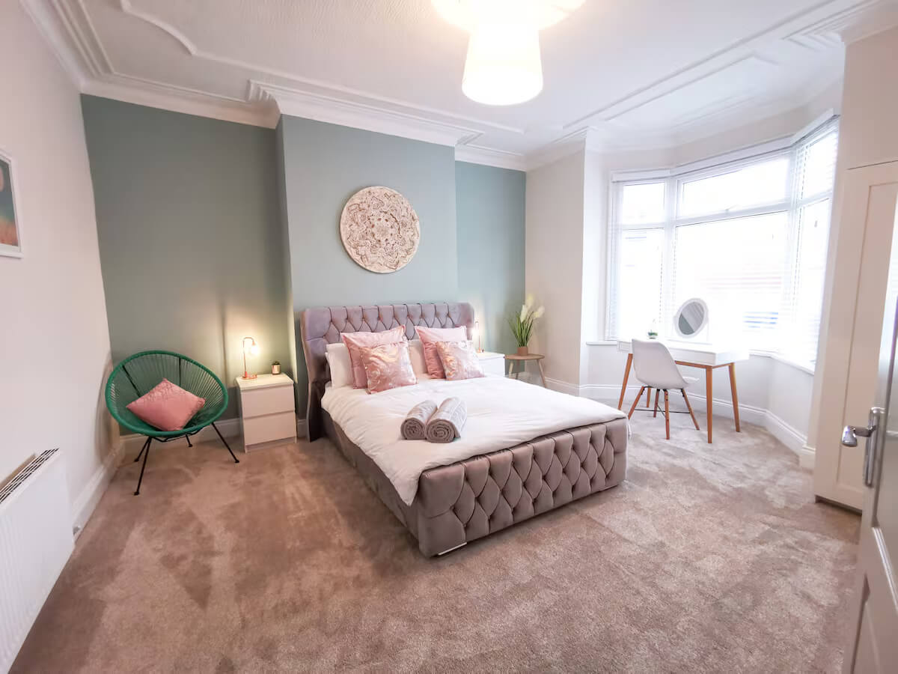
Grove Park Oval (Fenwick Chambers) - 83 ( 3rd floor) | Grove Park Oval (Fenwick Chambers) - 83 ( 3rd floor) | 4 | Nestled in the vibrant heart of Gosforth, this delightful 2 bedroom apartment blends contemporary style with comfort. Its spacious layout creates a welcoming space, perfect for both work and relaxation. A standout feature is the wraparound balcony, ideal for enjoying fresh air and views. Its prime location provides easy access to local amenities, shops, and nearby parks. Whether you're seeking a stylish retreat or convenient city living, this apartment offers the best of both worlds. The space This bright and airy property is modern and cosy, with a real home from home feel. The apartment has a wonderful wrap around balcony, perfect for relaxing, with views over the green. Located in the heart of Gosforth, the property is a great choice for leisure and corporate stays, with easy access to the centre and surrounding areas. Guest access Our guests have the whole apartment within a well maintained residential building in the heart of Newcastle. Other things to note *Please note we do not provide toiletries such as shampoo's, shower gels/soaps etc, or pantry essentials like oils, salt or pepper* In our commitment to environmental sustainability, we believe it is crucial to take steps towards reducing waste and minimizing our ecological footprint. | Apartment / whole house | 1 | 100 | 2000 | 2 | 55.0046067 | -1.6158675 | 83 Grove Park Oval |  | Newcastle upon Tyne | Tyne and Wear | NE3 9EF | 2 | Double | 1 | King | 1 |  |  |  |  |  |  |  |  |  |  |  |  |  |  |  |  | 1 | 1 |  | 1 | Main bathroom |  |  |  |  |  |  |  |  |  | Broadband | Street parking | Free parking on premises |  | No garden | No smoking | Iron, Hot water, Heating, Laptop friendly workspace | Tv, Free wifi | Bed linen, Clothes hangers, Hair dryer | Bath, Shower, Toilet papers, Toilet | Carbon monoxide detector, Smoke detector, Fire extinguisher | On street parking | Microwave, Fridge, Kitchen, Dining, Coffee maker, Stove, Dishwasher, Washing machine | 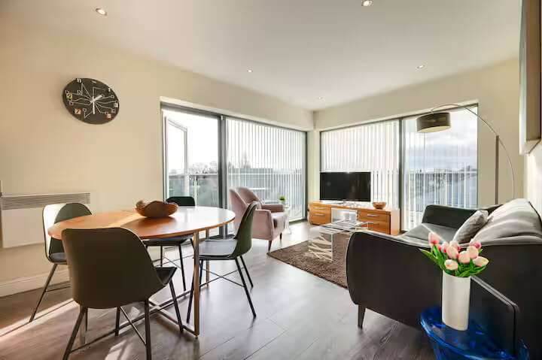 | 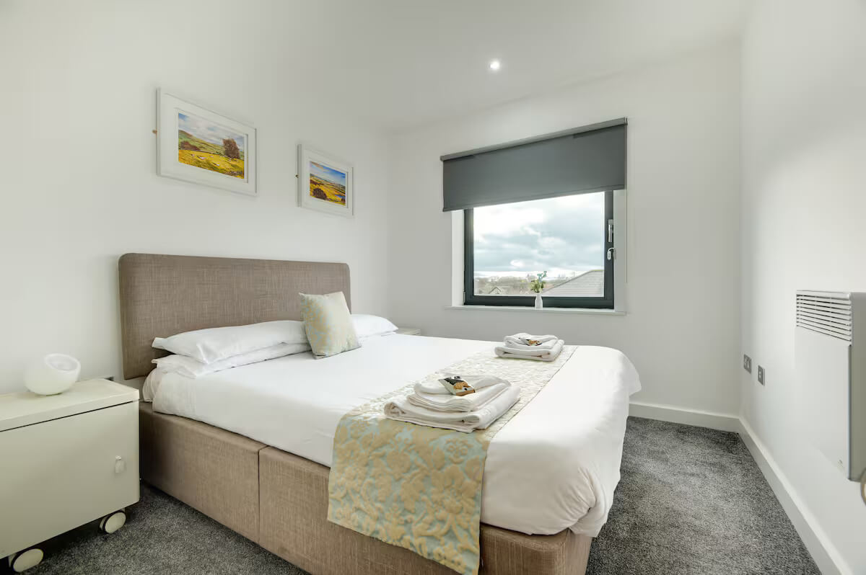
Audley Road (Armstrong Apartments) - Flat 2 (Lower ground) | Audley Road (Armstrong Apartments) - Flat 2 (Lower ground) | 4 | This stylish two-bedroom, one-bathroom apartment in Gosforth provides a comfortable and convenient stay just a 15-20 minute walk to Gosforth High Street. Perfect for up to four guests. There is an open-plan lounge and dining area and a fully equipped kitchen. Located in a vibrant area, a variety of bars, cafés, and restaurants are just a few minutes away on foot. Freeman Hospital and Newcastle City Centre are easily accessible within 10 minutes. The space This spacious apartment features an open-plan lounge and dining area, decorated in a stylish and comfortable manner, creating a perfect home-from-home atmosphere. With two double bedrooms, as well as digital Freeview TV and on street parking, Armstrong Apartments offer all the comforts you need for a comfortable stay. The location also provides excellent bus and Metro links to Newcastle city centre and surrounding areas, making it convenient for both leisure and business travellers. Distances: - Newcastle Airport: 7.5 miles (approximately 20 minutes by car) - Newcastle City Centre: 3.2 miles (approximately 11 minutes by car) - Freeman Hospital: 0.8 miles (approximately 5 minutes by car) Guest access Guests have access to the whole property Other things to note *Please note we do not provide toiletries such as shampoo's, shower gels/soaps etc, or pantry essentials like oils, salt or pepper* In our commitment to environmental sustainability, we believe it is crucial to take steps towards reducing waste and minimizing our ecological footprint. | Apartment / whole house | 1 | 100 | 2000 | 2 | 55.0065404 | -1.6043153 | 5 Audley Road |  | Newcastle upon Tyne | Tyne and Wear | NE3 1QH | 2 | Double | 1 | Double | 1 |  |  |  |  |  |  |  |  |  |  |  |  |  |  |  |  | 1 | 1 |  | 1 | Main bathroom |  |  |  |  |  |  |  |  |  | Broadband | Street parking | Free on-street parking Paid parking off premises |  | No garden | No smoking | Iron, Hot water, Heating, Laptop friendly workspace | Tv, Free wifi | Bed linen, Clothes hangers, Hair dryer | Bath, Shower, Towels, Toilet papers, Toilet | Carbon monoxide detector, Smoke detector, Fire extinguisher | On street parking | Dining, Kitchen, Microwave, Fridge, Dishwasher, Oven, Washing machine | 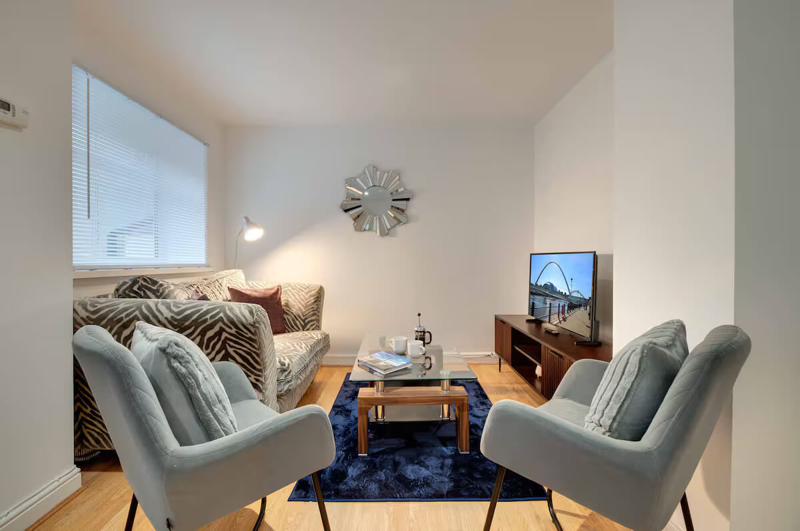 | 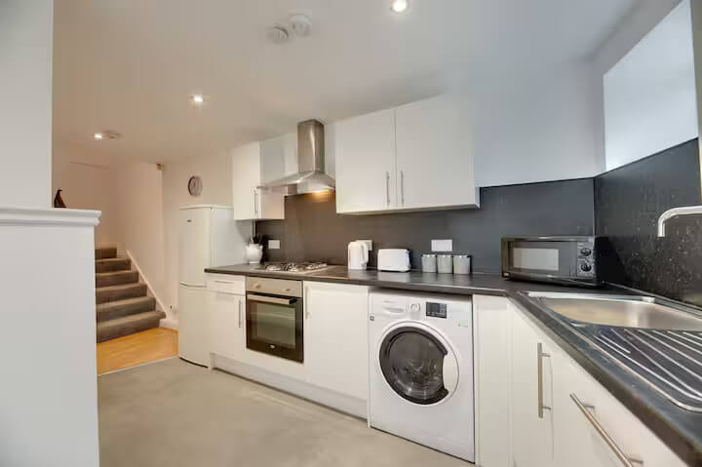
Lime Square (Monument Apartments) - 44 (4th floor) | Lime Square (Monument Apartments) - 44 (4th floor) | 4 | Welcome to Monument Apartments! Our two bedroom apartment is located just a short stroll from Newcastle's Quayside, City Centre and the creative Ouseburn Valley. This spacious apartment features an open-plan lounge and dining area, stylishly furnished and offers tranquil views of the picturesque River Tyne. Ouseburn Valley, with its independent shops, cafés, and cultural venues, provides a relaxing atmosphere for both work and leisure. The apartment is a perfect base for exploring Newcastle. The space Offering a true home-from-home experience, Monument Apartments is the perfect choice for anyone seeking comfort and convenience in Newcastle Distances: - Newcastle Airport: 7.6 miles (approximately 20 minutes by car) - Newcastle City Centre: 1.7 miles (approximately 9 minutes by car) With easy access to all amenities and major trunk roads, you’ll find everything you need right at your doorstep. Experience the best of Newcastle at Monument Apartments! Please note: The property includes a balcony; however, for safety reasons it is not accessible for use and cannot be opened during your stay. Guest access Guests will have access to the entire flat. Other things to note *Please note we do not provide toiletries such as shampoo's, shower gels/soaps etc, or pantry essentials like oils, salt or pepper* In our commitment to environmental sustainability, we believe it is crucial to take steps towards reducing waste and minimizing our ecological footprint. | Apartment / whole house | 1 | 100 | 1500 | 2 | 54.9735786 | -1.5941124 | 44 Lime Square, City Road |  | Newcastle upon Tyne | Tyne and Wear | NE1 2BA | 2 | King | 1 | King | 1 |  |  |  |  |  |  |  |  |  |  |  |  |  |  |  |  | 1 | 1 |  | 2 | Ensuite | Ensuite |  |  |  |  |  |  |  |  | Broadband | Street parking |  |  | Balcony | No smoking | Iron, Hot water, Heating, Garden, Laptop friendly workspace | Tv, Free wifi | Bed linen, Clothes hangers, Hair dryer | Bath, Shower, Towels, Toilet | Smoke detector, Fire extinguisher | On street parking | Dining, Kitchen, Microwave, Fridge, Dishwasher, Oven, Washing machine | 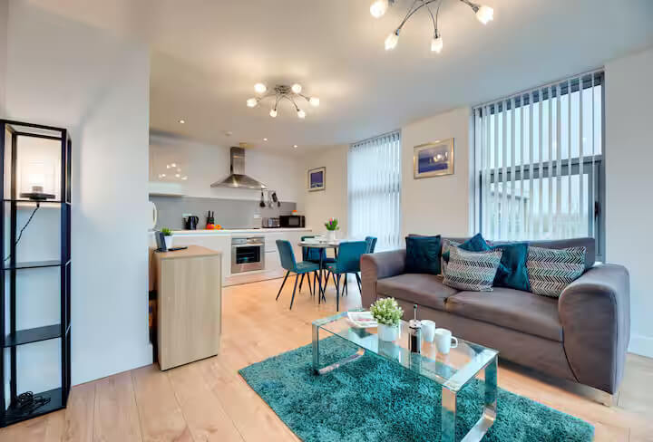 | 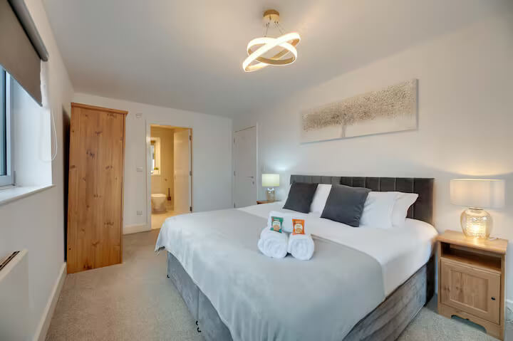
63 High Quay (Swan Apartments) - 63 (2nd floor) | 63 High Quay (Swan Apartments) - 63 (2nd floor) | 4 | Welcome to Swan Apartments! This modern two-bedroom is ideally located on Newcastle’s picturesque Quayside, just a short walk from the lively city centre and the creative Ouseburn Valley. The apartment features a bright, open-plan living and dining area with stylish décor and expansive windows showcasing stunning views of the River Tyne and its iconic bridges. Offering a welcoming, home-like atmosphere, this apartment is perfect for those seeking both comfort and convenience in Newcastle. The space •Attractively situated on the Newcastle Quayside. •Riverside location with fabulous views of the River Tyne! •Stylish and modern decor. •Bright and airy apartment. •Fully functional and chic space to live and work. •Parking on site. •Fully equipped and furnished to a high specification with modern appliances. •The property is perfectly located on Newcastle Quayside close to shops, restaurants, and the famous Newcastle bridges. •Ideally situated for professionals working in the city, or those seeking a city break. •The property has secure entry with lift access. •Fitted with Wi-Fi, perfect for entertainment or home working. •The property offers essential modern-day appliances and washing facilities providing you with everything you will need to help make your stay as comfortable and enjoyable as possible. •24-hour emergency reception service available to all of our guests. Guest access Our guests have the whole apartment within a well maintained residential building in the heart of Newcastle. Other things to note *Please note we do not provide toiletries such as shampoo's, shower gels/soaps etc, or pantry essentials like oils, salt or pepper* In our commitment to environmental sustainability, we believe it is crucial to take steps towards reducing waste and minimizing our ecological footprint. | Apartment / whole house | 1 | 100 | 1000 | 2 | 54.9703519 | -1.6297937 | Block H, City Road |  | Newcastle upon Tyne | Tyne and Wear | NE1 2PD | 2 | Double | 1 | Double | 1 |  |  |  |  |  |  |  |  |  |  |  |  |  |  |  |  | 1 | 2 |  | 2 | Ensuite | Ensuite |  |  |  |  |  |  |  |  | Broadband | Street parking |  |  | No garden | No smoking | Iron, Hot water, Heating, Laptop friendly workspace | Tv, Free wifi | Bed linen, Clothes hangers, Hair dryer | Bath, Shower, Towels, Toilet, Soap, Shampoo | Smoke detector, Fire extinguisher, Carbon monoxide detector | On street parking | Dining, Kitchen, Microwave, Fridge, Dishwasher, Oven, Coffee maker, Washing machine, Tumble dryer | 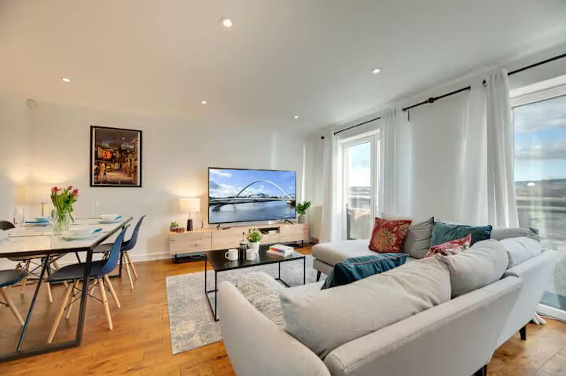 | 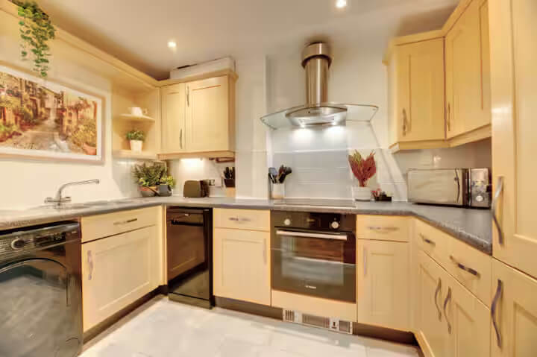
23 High Quay (Swan Apartments) - 23 (2nd floor) | 23 High Quay (Swan Apartments) - 23 (2nd floor) | 4 | •Attractively situated on the Newcastle Quayside. •Riverside location with fabulous views of the River Tyne! •Stylish and modern decor. •Bright and airy apartment. •Parking on site. •Fully equipped and furnished to a high specification with modern appliances. The space •The property is perfectly located on Newcastle Quayside close to shops, restaurants, and the famous Newcastle bridges. •Ideally situated for professionals working in the city, or those seeking a city break. •The property has secure entry with lift access. •Fitted with Wi-Fi, perfect for entertainment or home working. •The property offers essential modern-day appliances and washing facilities providing you with everything you will need to help make your stay as comfortable and enjoyable as possible. •24-hour emergency reception service available to all of our guests. Guest access Our guests have the whole apartment within a well maintained residential building in the heart of Newcastle. Other things to note *Please note we do not provide toiletries such as shampoo's, shower gels/soaps etc, or pantry essentials like oils, salt or pepper* In our commitment to environmental sustainability, we believe it is crucial to take steps towards reducing waste and minimizing our ecological footprint. | Apartment / whole house | 1 | 100 | 1000 | 2 | 54.9707368 | -1.6294153 | Block C, City Road |  | Newcastle upon Tyne | Tyne and Wear | NE1 2PD | 2 | Double | 1 | Double | 1 |  |  |  |  |  |  |  |  |  |  |  |  |  |  |  |  | 1 | 1 |  | 2 | Ensuite | Ensuite |  |  |  |  |  |  |  |  | Broadband | Street parking |  |  | No garden | No smoking | Iron, Hot water, Heating, Laptop friendly workspace | Tv, Free wifi | Bed linen, Clothes hangers, Hair dryer | Bath, Shower, Towels, Toilet, Toilet papers | Smoke detector, Fire extinguisher, Carbon monoxide detector | On street parking | Dining, Kitchen, Microwave, Fridge, Oven, Coffee maker, Washing machine | 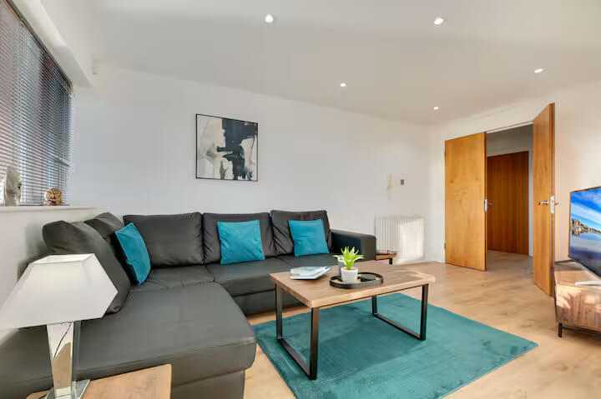 | 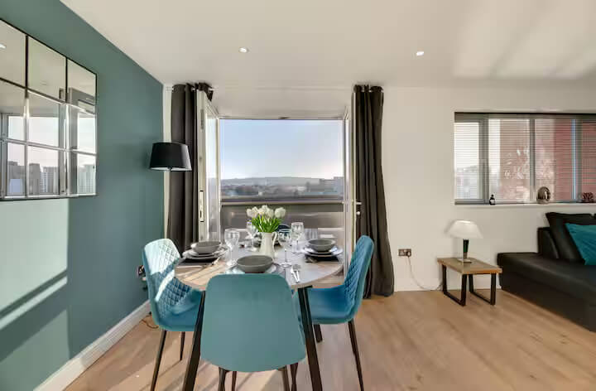
21 High Quay (Swan Apartments) - 21 (2nd floor) | 21 High Quay (Swan Apartments) - 21 (2nd floor) | 4 | Welcome to Swan Apartments! This modern two-bedroom is ideally located on Newcastle’s picturesque Quayside, just a short walk from the lively city centre and the creative Ouseburn Valley. The apartment features a bright, open-plan living and dining area with stylish décor and expansive windows showcasing stunning views of the River Tyne and its iconic bridges. Offering a welcoming, home-like atmosphere, this apartment is perfect for those seeking both comfort and convenience in Newcastle. The space •Attractively situated on the Newcastle Quayside. •Riverside location with fabulous views of the River Tyne! •Stylish and modern decor. •Bright and airy apartment. •Fully functional and chic space to live and work. •Parking on site. •Fully equipped and furnished to a high specification with modern appliances. •The property is perfectly located on Newcastle Quayside close to shops, restaurants, and the famous Newcastle bridges. •Ideally situated for professionals working in the city, or those seeking a city break. •The property has secure entry with lift access. •Fitted with Wi-Fi, perfect for entertainment or home working. •The property offers essential modern-day appliances and washing facilities providing you with everything you will need to help make your stay as comfortable and enjoyable as possible. •24-hour emergency reception service available to all of our guests. Guest access Our guests have the whole apartment within a well maintained residential building in the heart of Newcastle. Other things to note *Please note we do not provide toiletries such as shampoo's, shower gels/soaps etc, or pantry essentials like oils, salt or pepper* In our commitment to environmental sustainability, we believe it is crucial to take steps towards reducing waste and minimizing our ecological footprint. | Apartment / whole house | 1 | 100 | 2000 | 2 | 54.9707368 | -1.6294153 | Block C, City Road |  | Newcastle upon Tyne | Tyne and Wear | NE1 2PD | 2 | King | 1 | King | 1 |  |  |  |  |  |  |  |  |  |  |  |  |  |  |  |  | 1 | 1 |  | 2 | Ensuite | Toilet only |  |  |  |  |  |  |  |  | Broadband | Street parking |  |  | No garden | No smoking | Iron, Hot water, Heating, Laptop friendly workspace | Tv, Free wifi | Bed linen, Clothes hangers, Hair dryer | Bath, Shower, Towels, Toilet, Toilet papers | Smoke detector, Fire extinguisher, Carbon monoxide detector | On street parking | Dining, Kitchen, Microwave, Fridge, Oven, Coffee maker, Stove, Dishwasher, Washing machine, Tumble dryer | 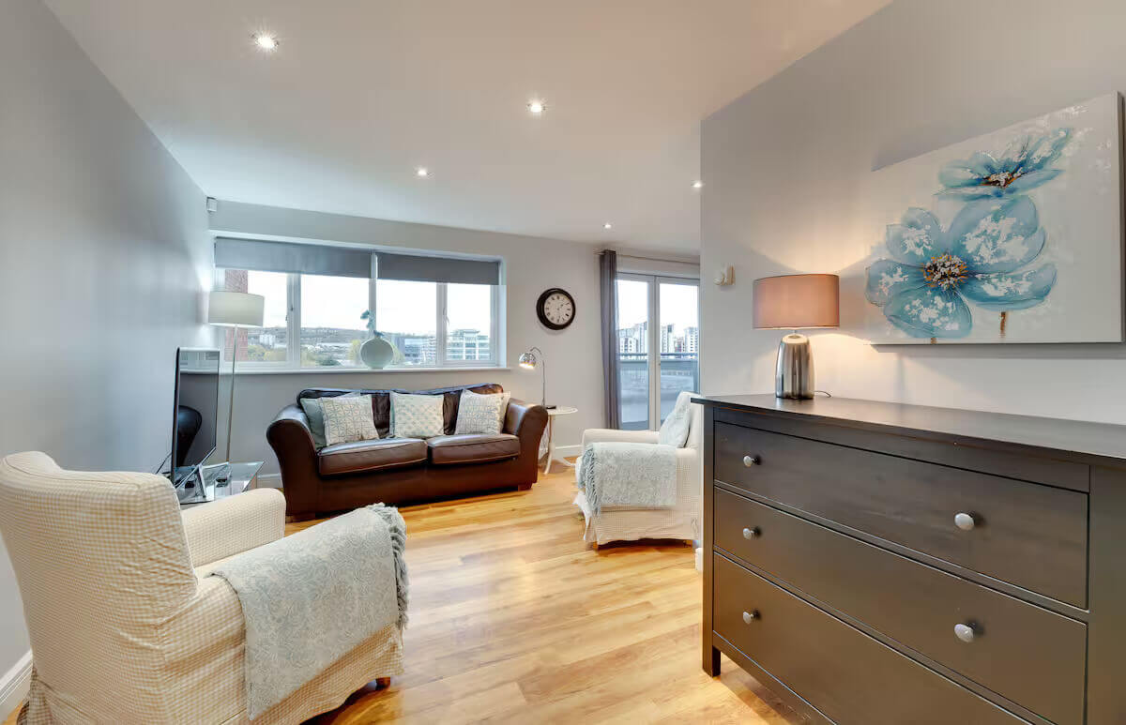
Cameronian Square (Stephenson Sleepers) - 62 (2nd floor) | Cameronian Square (Stephenson Sleepers) - 62 (2nd floor) | 4 | Welcome to Stephenson Sleepers! Our two-bed apartment is ideally located on the Gateshead side of the River Tyne, perfect for exploring Newcastle Quayside, City Centre and the iconic Newcastle Bridges. The apartment offers a spacious open plan living space, with everything you need for a comfortable stay! The apartment provides a home from home experience, where our guests can relax after a busy day at work, or exploring the beautiful sights of the city! The space •The property is located in Gateshead, within close proximity to Newcastle City Centre, where you will find shops, restaurants and Newcastle College/Universities •Ideally situated for professionals working in the city, or those seeking a city break. •The property has secure entry with lift access. •Fitted with free Wi-Fi, perfect for entertainment or home working. •The property offers essential modern-day appliances and washing facilities providing you with everything you will need to help make your stay as comfortable and enjoyable as possible. •24-hour emergency reception service available to all of our guests. Guest access The full apartment is yours to enjoy. Other things to note *Please note we do not provide toiletries such as shampoo's, shower gels/soaps etc, or pantry essentials like oils, salt or pepper* In our commitment to environmental sustainability, we believe it is crucial to take steps towards reducing waste and minimizing our ecological footprint. | Apartment / whole house | 1 | 100 | 2000 | 2 | 54.9630733 | -1.6200958 | Ochre Yards, Wordsell Drive |  | Gateshead | Tyne and Wear | NE8 2DB | 2 | Double | 1 | Double | 1 |  |  |  |  |  |  |  |  |  |  |  |  |  |  |  |  | 1 | 2 |  | 2 | Ensuite | Ensuite |  |  |  |  |  |  |  |  | Broadband | Street parking |  |  | Balcony | No smoking | Iron, Hot water, Heating, Garden, Laptop friendly workspace | Tv, Free wifi | Bed linen, Clothes hangers, Hair dryer | Bath, Shower, Towels, Toilet, Toilet papers | Smoke detector, Fire extinguisher, Carbon monoxide detector | On street parking | Kitchen, Microwave, Fridge, Oven, Coffee maker, Stove, Dishwasher, Washing machine, Tumble dryer | 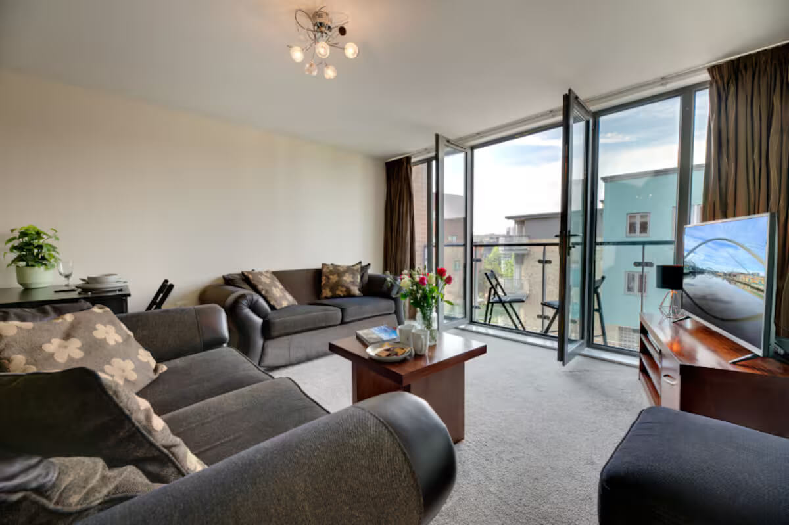 | 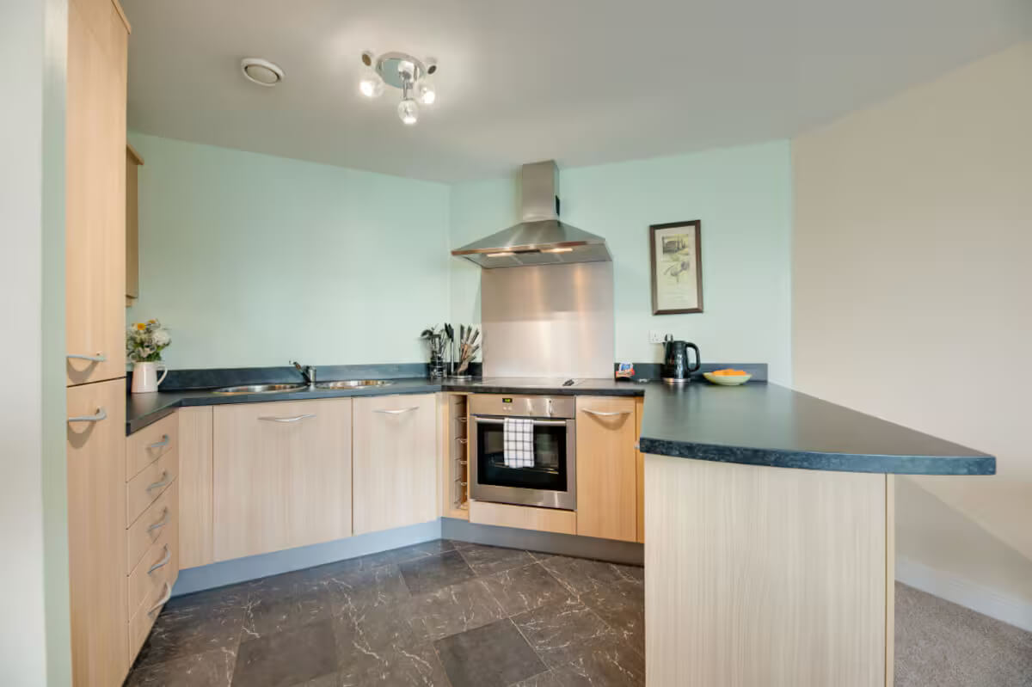
Baltic Quays (Sage Apartments) - 194 | Baltic Quays (Sage Apartments) - 194 | 4 | Sage Apartments are perfectly situated on the Gateshead Quays, offering an ideal base for work or leisure stays. Just a short distance from Newcastle City Centre’s shops, cafés, and restaurants, they also provide excellent transport links to explore nearby areas, including the North East Coastline. These modern apartments feature two spacious bedrooms one ensuite plus a family bathroom, an open-plan living area with a balcony overlooking the quayside and a dining space for four guests. The space •The property is perfectly located on Newcastle Quayside close to shops, restaurants and the famous Newcastle bridges. •Ideally situated for professionals working in the city, or those seeking a city break. •The property has secure entry with lift access. •Fitted with Wi-Fi, perfect for entertainment or home working. •The property offers essential modern-day appliances and washing facilities providing you with everything you will need to help make your stay as comfortable and enjoyable as possible. •24-hour emergency reception service available to all of our guests. Public parking available nearby. Guest access Our guests have the whole apartment within a well maintained residential building, with river views and close to all City Centre amenities. Other things to note *Please note we do not provide toiletries such as shampoo's, shower gels etc, or pantry essentials like oils, salt or pepper* In our commitment to environmental sustainability, we believe it is crucial to take steps towards reducing waste and minimizing our ecological footprint. | Apartment / whole house | 1 | 100 | 1000 | 2 | 54.9681684 | -1.5996692 | Mill Road, Gateshead |  | Gateshead | Tyne and Wear | NE8 3QX | 2 | Double | 1 | Double | 1 |  |  |  |  |  |  |  |  |  |  |  |  |  |  |  |  | 1 | 1 |  | 1 | Ensuite |  |  |  |  |  |  |  |  |  | Broadband | Public parking |  |  | No garden | No smoking | Iron, Hot water, Heating, Laptop friendly workspace | Tv, Free wifi | Bed linen, Clothes hangers, Hair dryer | Bath, Shower, Towels, Toilet | Smoke detector, Fire extinguisher | Wheelchair access | Kitchen, Microwave, Fridge, Oven, Dishwasher, Washing machine, Dining | 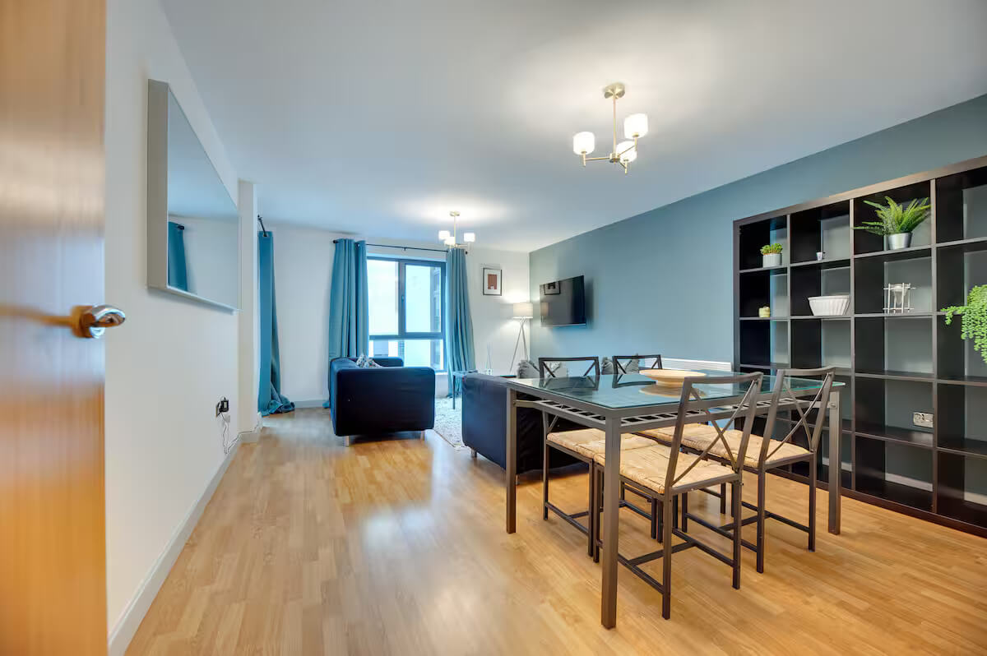 | 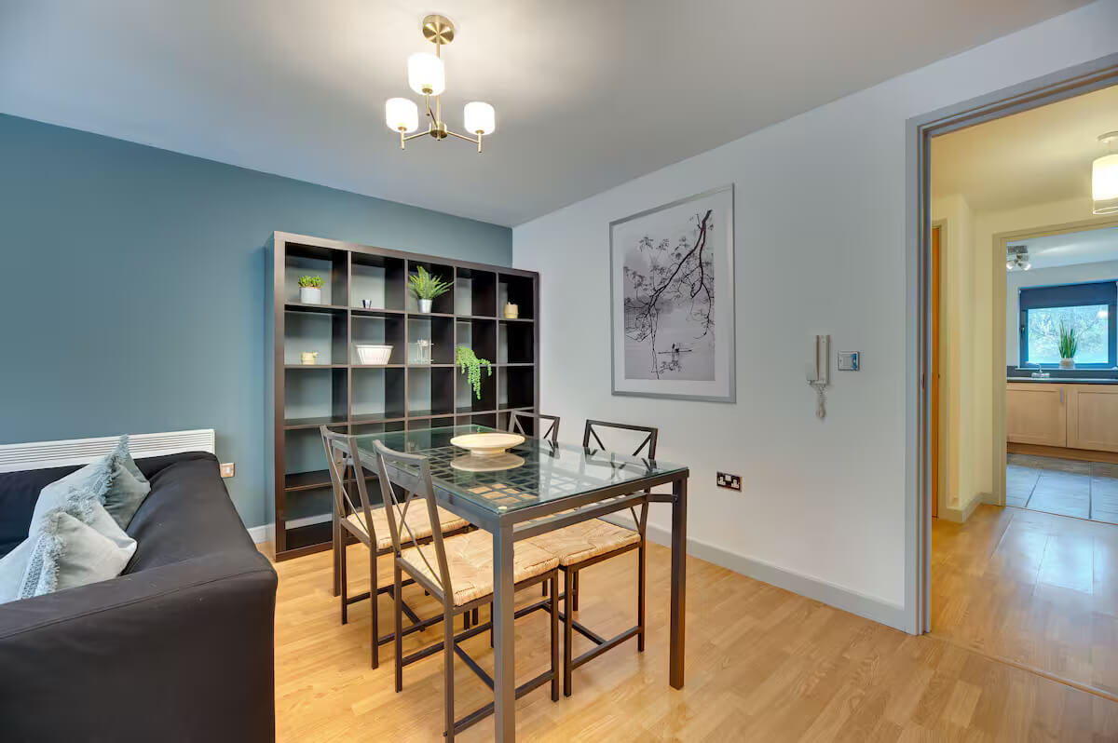
Grebe House (Staithes House) - 41 (House) | Grebe House (Staithes House) - 41 (House) | 5 | This wonderful 4 bedroom property is modern, bright and spacious and is ideally located a short drive from Newcastle City Centre. This property offers an external terrace area on the ground floor and a balcony from the master ensuite bedroom, with views of the River Tyne. The property is fully furnished, fully equipped and is within easy access of Newcastle, the Metro Centre and Gateshead as well as close to major trunk roads. The space This property is a lovely bright, spacious and modern town house situated a short drive from Newcastle City Centre. This property features an open plan living/dining area and kitchen with a small utility room, and 4 bedrooms. The french doors open onto the patio/terrace which has beautiful views of the River Tyne. The property location makes it an ideal place for leisure and business stays. Guest access Guests have access to the entire property. Other things to note *Please note we do not provide toiletries such as shampoo's, shower gels/soaps etc, or pantry essentials like oils, salt or pepper* In our commitment to environmental sustainability, we believe it is crucial to take steps towards reducing waste and minimizing our ecological footprint. | Whole property | 1 | 100 | 2000 | 2 | 54.9578862 | -1.6436096 | 41 Grebe Close |  | Gateshead | Tyne and Wear | NE11 9FD | 4 | King | 1 | Double | 1 | Double | 1 | Double | 1 |  |  |  |  |  |  |  |  |  |  |  |  | 1 | 2 |  | 3 | Ensuite | Ensuite | Toilet only |  |  |  |  |  |  |  | Broadband | Street parking |  |  | No garden | No smoking | Iron, Hot water, Heating, Laptop friendly workspace | Tv, Free wifi | Bed linen, Clothes hangers, Hair dryer | Bath, Shower, Towels, Toilet, Toilet papers, Shampoo, Soap | Smoke detector, Fire extinguisher, Carbon monoxide detector | On street parking, Private entrance | Kitchen, Microwave, Fridge, Dishwasher, Washing machine, Dining, Tumble dryer | 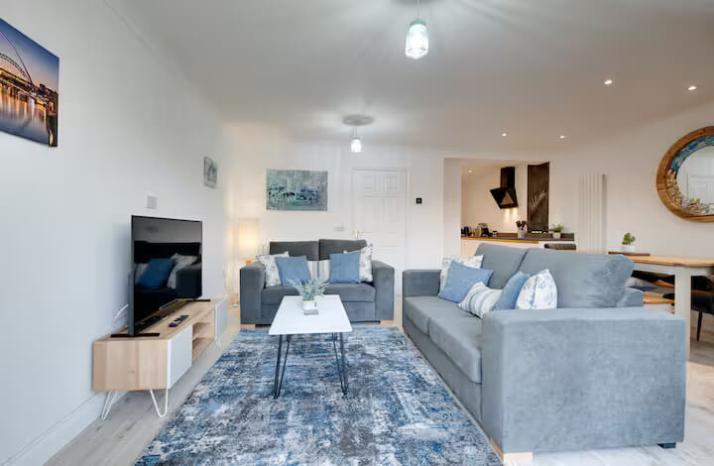 | 