Sheet1
Property title | Internal name | No. of people in property | Property description | Property type | No. of units in this property | Standard clean price | Price per month | property active (1=active & 2=deactive) | Property latitude | Property longitude | Address 1 | Address 2 (no data then leave empty) | City | County | Postcode | No. of bedrooms | Bedroom 1 | Bedroom1 - bed quantity | Bedroom 2 | Bedroom2 - bed quantity | Bedroom 3 | Bedroom3 - bed quantity | Bedroom4 | Bedroom4 - bed quantity | Bedroom5 | Bedroom5 - bed quantity | Bedroom6 | Bedroom6 - bed quantity | Bedroom7 | Bedroom7 - bed quantity | Bedroom8 | Bedroom8 - bed quantity | Bedroom9 | Bedroom9 - bed quantity | Bedroom10 | Bedroom10 - bed quantity | Sleeping facility in living area (0=no & 1=yes) | Sofa bed (no data then leave empty) | Futon (no data then leave empty) | No. of bathrooms | Bathroom 1 | Bathroom 2 | Bathroom 3 | Bathroom 4 | Bathroom 5 | Bathroom 6 | Bathroom 7 | Bathroom 8 | Bathroom 9 | Bathroom 10 | Wifi | Parking | Parking summary (no data then leave empty) | Parking details (no data then leave empty) | Garden | Smoking | General amenities | Entertainment amenities | Bedroom amenities | Bathroom amenities | Safety amenities | Access amenities | Kitchen amenities | Featured image (single iamge) | Gallery images (multiple image)
4 Malvern Road (Cooksons Apartments) - 1st floor | 4 Malvern Road (Cooksons Apartments) - 1st floor | 4 | A comfortable and spacious two-bedroom home in Tynemouth, offering a modern and well-equipped space for both short- and long-term stays. Whether you're visiting for work or leisure, you'll have everything you need for a relaxing stay. With free on-street parking, high-speed WiFi, and a fully equipped kitchen, this home is perfect for families, professionals, or small groups. The space "This home features two spacious bedrooms, both with double beds, providing a restful retreat after a long day of exploring or working. There are one full bathrooms, ensuring plenty of space and convenience for guests." The living room is a welcoming space with a Smart TV and comfortable seating, perfect for relaxing or catching up on your favorite shows.The dining area provides a great spot for meals or remote work. The fully equipped kitchen includes a fridge, oven, stovetop, microwave, dishwasher, kettle, toaster, and all necessary cookware, allowing you to prepare meals with ease. For added convenience, the home also includes a washing machine, drying rack, iron, and ironing board. Fresh towels, bed linens, toiletries, and a hairdryer are provided to make your stay hassle-free. Guest access Free on-street parking is available nearby, making it easy for guests with vehicles. The property is well connected by public transport, with Tynemouth Metro Station just a short distance away for quick access to Newcastle City Centre and surrounding areas. Shops, cafés, and restaurants are all within a few minutes' drive, including: Tesco Express – for quick grocery runs (5-minute drive) Aldi – a great option for stocking up on essentials (6-minute drive) The Anson Pub – a friendly local pub serving British classics (5-minute drive) Miller & Carter – a well-known steakhouse with quality dining (8-minute drive) Wallsend Café – perfect for breakfast and coffee (5-minute drive) | Apartment / whole house | 1 | 100 | 2000 | 2 | 55.0271757 | -1.4583679 | 4 Malvern Road ,Preston Grange |  | North Shields | Tyne and Wear | NE29 9EF | 2 | Double | 1 | Double | 1 |  |  |  |  |  |  |  |  |  |  |  |  |  |  |  |  | 1 | 1 |  | 1 | Main bathroom |  |  |  |  |  |  |  |  |  | Broadband | Street parking | Free on-street parking |  | No garden | No smoking | Iron, Hot water, Heating | Tv, Free wifi | Bed linen, Clothes hangers, Hair dryer | Bath, Toilet | Carbon monoxide detector, Smoke detector | On street parking | Microwave, Oven, Kitchen, Dining, Washing machine | 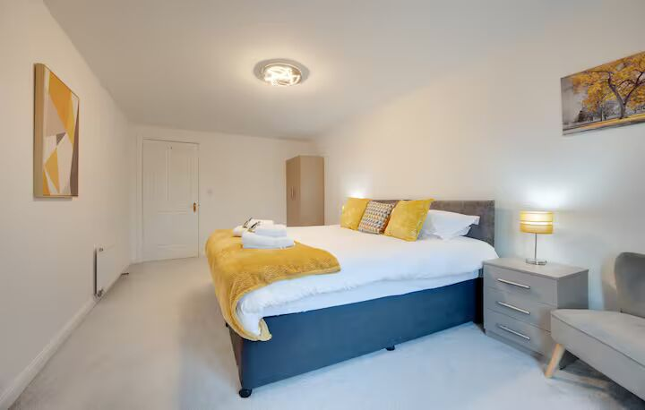 | 