Sheet1
Property title | Internal name | No. of people in property | Property description | Property type | No. of units in this property | Standard clean price | Price per month | property active (1=active & 2=deactive) | Property latitude | Property longitude | Address 1 | Address 2 (no data then leave empty) | City | County | Postcode | No. of bedrooms | Bedroom 1 | Bedroom1 - bed quantity | Bedroom 2 | Bedroom2 - bed quantity | Bedroom 3 | Bedroom3 - bed quantity | Bedroom4 | Bedroom4 - bed quantity | Bedroom5 | Bedroom5 - bed quantity | Bedroom6 | Bedroom6 - bed quantity | Bedroom7 | Bedroom7 - bed quantity | Bedroom8 | Bedroom8 - bed quantity | Bedroom9 | Bedroom9 - bed quantity | Bedroom10 | Bedroom10 - bed quantity | Sleeping facility in living area (0=no & 1=yes) | Sofa bed (no data then leave empty) | Futon (no data then leave empty) | No. of bathrooms | Bathroom 1 | Bathroom 2 | Bathroom 3 | Bathroom 4 | Bathroom 5 | Bathroom 6 | Bathroom 7 | Bathroom 8 | Bathroom 9 | Bathroom 10 | Wifi | Parking | Parking summary (no data then leave empty) | Parking details (no data then leave empty) | Garden | Smoking | General amenities | Entertainment amenities | Bedroom amenities | Bathroom amenities | Safety amenities | Access amenities | Kitchen amenities | Featured image (single iamge) | Gallery images (multiple image)
Centralofts (Crown Apartments) - 102 (1st floor) | Centralofts (Crown Apartments) - 102 (1st floor) | 2 | Welcome to Crown Apartments! This bright and spacious one-bedroom loft-style apartment is on the 5th floor of a striking Manhattan-inspired development and is furnished to an exceptional standard. Ideally positioned in the heart of Newcastle city centre, it features an open-plan living and dining area, equipped with everything needed for a comfortable stay. This charming apartment is the perfect choice for those seeking both comfort and convenience in Newcastle. The space The property is perfectly located within Newcastle City Centre, close to shops, restaurants, China Town, Newcastle College/Universities and only 5 minutes’ walk to the Central Station and St James’ Stadium. The space is ideally situated for professionals working in the city, or those seeking a city break. The property has secure entry with lift access, and offers parking on site (subject to availability). The property offers essential modern-day appliances and washing facilities providing you with everything you will need to help make your stay as comfortable and enjoyable as possible. Guest access Our guests have the whole apartment within a well maintained residential building in the heart of Newcastle. | Apartment / whole house | 1 | 100 | 2000 | 2 | 54.9693416 | 1.62097 | 21 Waterloo Street Newcastle, NE1 4AL |  | Newcastle upon Tyne | Tyne and Wear (Ceremonial County) | NE1 4AL | 1 | King | 1 |  |  |  |  |  |  |  |  |  |  |  |  |  |  |  |  |  |  | 1 | 2 |  | 1 | Ensuite |  |  |  |  |  |  |  |  |  | Broadband | Private parking | Free parking on premises, Paid street parking off premises |  | No garden | No smoking | Whole property | Tv | Bed linen | Bath | Carbon monoxide detector | Private entrance | Coffee maker | 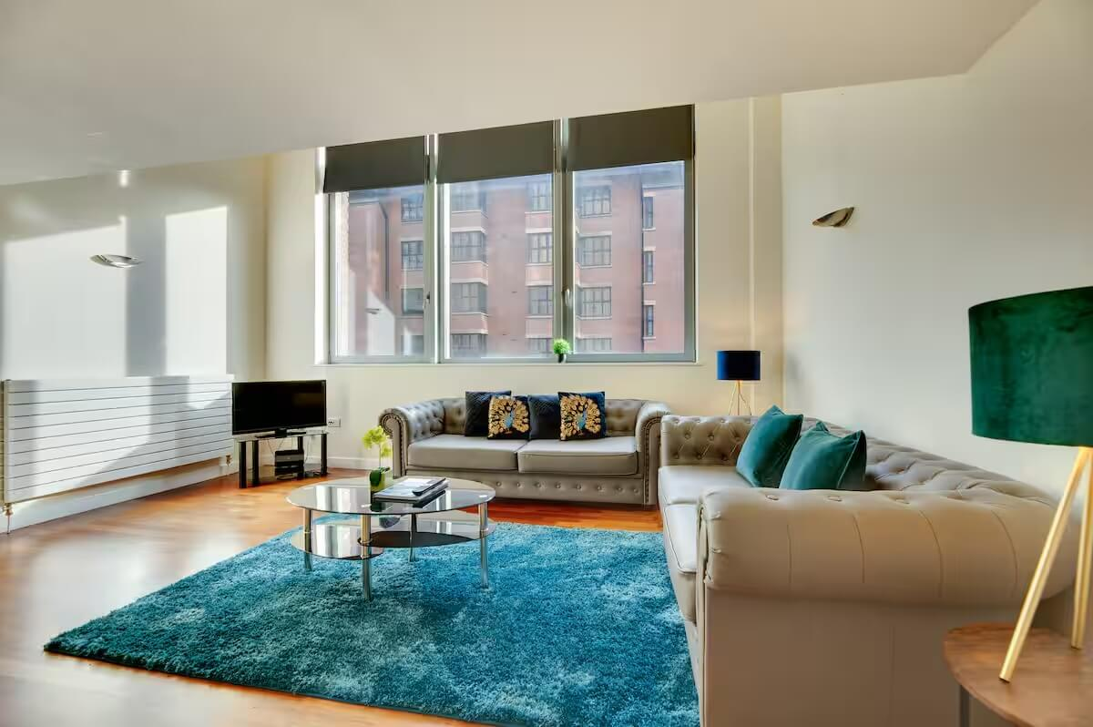 | 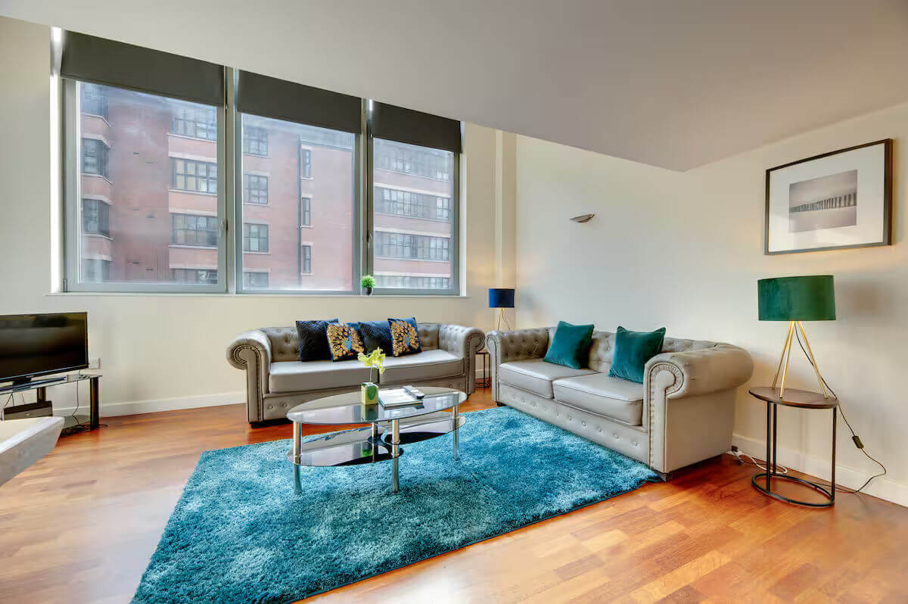
 |  |  |  |  |  |  |  |  |  |  |  |  |  |  |  |  |  |  |  |  |  |  |  |  |  |  |  |  |  |  |  |  |  |  |  |  |  |  |  |  |  |  |  |  |  |  |  |  |  |  |  |  |  |  |  |  | Laptop friendly workspace | Free wifi | Hair dryer | Toilet | Fire extinguisher |  | Kitchen
 |  |  |  |  |  |  |  |  |  |  |  |  |  |  |  |  |  |  |  |  |  |  |  |  |  |  |  |  |  |  |  |  |  |  |  |  |  |  |  |  |  |  |  |  |  |  |  |  |  |  |  |  |  |  |  |  | Iron |  | Clothes hangers | Towels | Smoke detector |  | Fridge
 |  |  |  |  |  |  |  |  |  |  |  |  |  |  |  |  |  |  |  |  |  |  |  |  |  |  |  |  |  |  |  |  |  |  |  |  |  |  |  |  |  |  |  |  |  |  |  |  |  |  |  |  |  |  |  |  | Heating |  |  | Shower |  |  | Microwave
 |  |  |  |  |  |  |  |  |  |  |  |  |  |  |  |  |  |  |  |  |  |  |  |  |  |  |  |  |  |  |  |  |  |  |  |  |  |  |  |  |  |  |  |  |  |  |  |  |  |  |  |  |  |  |  |  | Hot water |  |  |  |  |  | Dishwasher
 |  |  |  |  |  |  |  |  |  |  |  |  |  |  |  |  |  |  |  |  |  |  |  |  |  |  |  |  |  |  |  |  |  |  |  |  |  |  |  |  |  |  |  |  |  |  |  |  |  |  |  |  |  |  |  |  |  |  |  |  |  |  | Dining
 |  |  |  |  |  |  |  |  |  |  |  |  |  |  |  |  |  |  |  |  |  |  |  |  |  |  |  |  |  |  |  |  |  |  |  |  |  |  |  |  |  |  |  |  |  |  |  |  |  |  |  |  |  |  |  |  |  |  |  |  |  |  | Oven
 |  |  |  |  |  |  |  |  |  |  |  |  |  |  |  |  |  |  |  |  |  |  |  |  |  |  |  |  |  |  |  |  |  |  |  |  |  |  |  |  |  |  |  |  |  |  |  |  |  |  |  |  |  |  |  |  |  |  |  |  |  |  | Stove
 |  |  |  |  |  |  |  |  |  |  |  |  |  |  |  |  |  |  |  |  |  |  |  |  |  |  |  |  |  |  |  |  |  |  |  |  |  |  |  |  |  |  |  |  |  |  |  |  |  |  |  |  |  |  |  |  |  |  |  |  |  |  | Washing machine
 |  |  |  |  |  |  |  |  |  |  |  |  |  |  |  |  |  |  |  |  |  |  |  |  |  |  |  |  |  |  |  |  |  |  |  |  |  |  |  |  |  |  |  |  |  |  |  |  |  |  |  |  |  |  |  |  |  |  |  |  |  |  | Tumble dryer
Centralofts (Crown Apartments) - 314 (3rd floor) | Centralofts (Crown Apartments) - 314 (3rd floor) | 2 | Welcome to Crown Apartments! This bright and spacious one bedroom loft-style apartment is located on the 3rd floor of a striking Manhattan-inspired development and is furnished to an exceptional standard. Ideally situated in the heart of Newcastle city centre, the apartment boasts large windows that flood the space with natural light, complemented by cosy and stylish décor. This charming apartment is the perfect choice for those seeking both comfort and convenience in Newcastle. The space Providing a true home-from-home experience, our apartment is the perfect retreat for guests to relax after a busy day at work or exploring the beautiful sights of the city. The central location ensures easy access to the best shops, restaurants, and transport links, with Newcastle Central Train Station just a 5-minute walk away and the main centre of town right at your doorstep. Crown Apartments is an ideal choice for anyone seeking comfort and convenience in Newcastle. Key Highlights: - Prime Location: Right in Newcastle’s city centre, close to top attractions and amenities. - Comfortable Living Space: Lounge, dining areas, and fully equipped kitchen for a true home-like feel. - Modern Amenities: Bathroom with overhead shower, stylish furnishings, and optional balcony with city views in select apartments. Distances: - Newcastle Airport: 7.4 miles (approximately 15 minutes by car) - Newcastle Central Station: Within walking distance - Easy access to all amenities and major trunk roads With a central location, you’ll enjoy easy access to Newcastle’s best shops, restaurants, and transport links, including Newcastle Central Train Station, just a 5-minute walk away, and the main centre of town right on your doorstep. Guest access Our guests have the whole apartment within a well maintained residential building in the heart of Newcastle. | Apartment / whole house | 1 | 100 | 2000 | 2 | 54.9693416 | 1.62097 | 21 Waterloo Street Newcastle, NE1 4AL |  | Newcastle upon Tyne | Tyne and Wear (Ceremonial County) | NE1 4AL | 1 | Double | 1 |  |  |  |  |  |  |  |  |  |  |  |  |  |  |  |  |  |  | 1 | 1 |  | 1 | Ensuite |  |  |  |  |  |  |  |  |  | Broadband | Private parking | Free parking on premises, Paid street parking off premises |  | No garden | No smoking | Whole property | Tv | Bed linen | Bath | Fire extinguisher | Private parking | Kitchen | 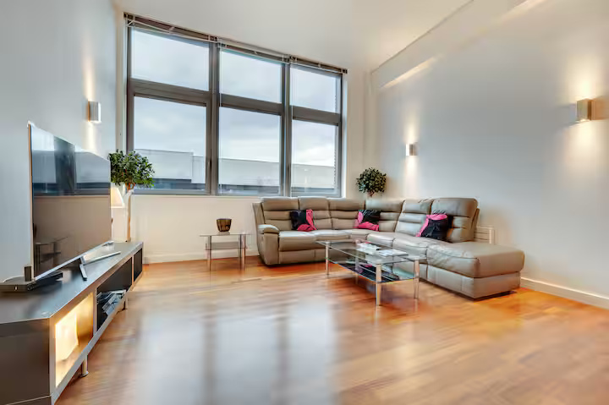 | 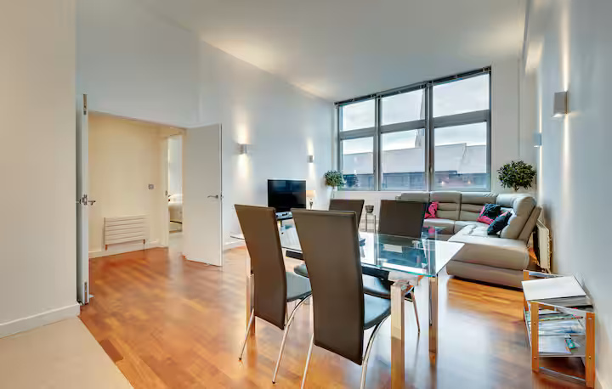
 |  |  |  |  |  |  |  |  |  |  |  |  |  |  |  |  |  |  |  |  |  |  |  |  |  |  |  |  |  |  |  |  |  |  |  |  |  |  |  |  |  |  |  |  |  |  |  |  |  |  |  |  |  |  |  |  | Heating | Free wifi | Hair dryer | Towels | Smoke detector |  | Fridge
 |  |  |  |  |  |  |  |  |  |  |  |  |  |  |  |  |  |  |  |  |  |  |  |  |  |  |  |  |  |  |  |  |  |  |  |  |  |  |  |  |  |  |  |  |  |  |  |  |  |  |  |  |  |  |  |  | Hot water |  | Clothes hangers | Toilet |  |  | Microwave
 |  |  |  |  |  |  |  |  |  |  |  |  |  |  |  |  |  |  |  |  |  |  |  |  |  |  |  |  |  |  |  |  |  |  |  |  |  |  |  |  |  |  |  |  |  |  |  |  |  |  |  |  |  |  |  |  | Iron |  |  | Shower |  |  | Dishwasher
 |  |  |  |  |  |  |  |  |  |  |  |  |  |  |  |  |  |  |  |  |  |  |  |  |  |  |  |  |  |  |  |  |  |  |  |  |  |  |  |  |  |  |  |  |  |  |  |  |  |  |  |  |  |  |  |  | Laptop friendly workspace |  |  |  |  |  | Coffee maker
 |  |  |  |  |  |  |  |  |  |  |  |  |  |  |  |  |  |  |  |  |  |  |  |  |  |  |  |  |  |  |  |  |  |  |  |  |  |  |  |  |  |  |  |  |  |  |  |  |  |  |  |  |  |  |  |  |  |  |  |  |  |  | Dining
 |  |  |  |  |  |  |  |  |  |  |  |  |  |  |  |  |  |  |  |  |  |  |  |  |  |  |  |  |  |  |  |  |  |  |  |  |  |  |  |  |  |  |  |  |  |  |  |  |  |  |  |  |  |  |  |  |  |  |  |  |  |  | Oven
 |  |  |  |  |  |  |  |  |  |  |  |  |  |  |  |  |  |  |  |  |  |  |  |  |  |  |  |  |  |  |  |  |  |  |  |  |  |  |  |  |  |  |  |  |  |  |  |  |  |  |  |  |  |  |  |  |  |  |  |  |  |  | Washing machine
 |  |  |  |  |  |  |  |  |  |  |  |  |  |  |  |  |  |  |  |  |  |  |  |  |  |  |  |  |  |  |  |  |  |  |  |  |  |  |  |  |  |  |  |  |  |  |  |  |  |  |  |  |  |  |  |  |  |  |  |  |  |  | Stove
 |  |  |  |  |  |  |  |  |  |  |  |  |  |  |  |  |  |  |  |  |  |  |  |  |  |  |  |  |  |  |  |  |  |  |  |  |  |  |  |  |  |  |  |  |  |  |  |  |  |  |  |  |  |  |  |  |  |  |  |  |  |  | Tumble dryer

